Figure 1
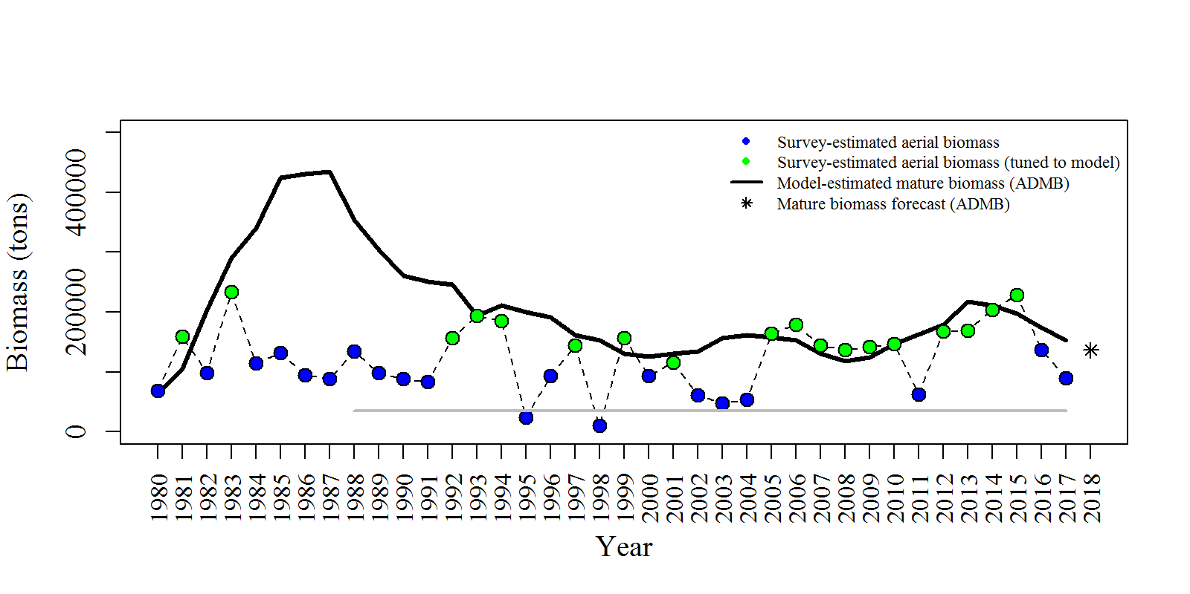
Year | tot_obs_aerial_tons | tot_mat_B_tons | tot_obs_aerial_tuned_tons | yminusfour | yminusthree | yminustwo | yminusone | threshold
1980 | 68686.1 | 63499.4 |  | 57682 | 58888 | 77980
1981 | 158650 | 105867 | 158650 | 109128 | 109638 | 135211
1982 | 97902.9 | 203891 |  | 196858 | 197028 | 209852
1983 | 233702 | 290816 | 233702 | 274695 | 274969 | 254955
1984 | 114880 | 340282 |  | 314097 | 315702 | 267237
1985 | 131400 | 423793 |  | 381140 | 385749 | 327852
1986 | 94770.1 | 430950 |  | 392668 | 398561 | 340136
1987 | 88397.6 | 433736 |  | 410451 | 415923 | 350373
1988 | 134718 | 354328 |  | 347585 | 351064 | 288862 |  | 35000
1989 | 98965.1 | 304129 |  | 299163 | 301590 | 241975 |  | 35000
1990 | 88105.1 | 260852 |  | 258337 | 259619 | 205330 |  | 35000
1991 | 83229.1 | 251075 |  | 243909 | 244676 | 197715 |  | 35000
1992 | 156957 | 245332 | 156957 | 233392 | 233700 | 193639 |  | 35000
1993 | 193847 | 193490 | 193847 | 192006 | 192144 | 175370 |  | 35000
1994 | 185412 | 211187 | 185412 | 201513 | 201351 | 193292 |  | 35000
1995 | 23550.2 | 200524 |  | 183058 | 183803 | 179832 |  | 35000
1996 | 94051.9 | 191894 |  | 175017 | 175855 | 175108 |  | 35000
1997 | 144888 | 161548 | 144888 | 152349 | 152810 | 154537 |  | 35000
1998 | 9872.1 | 153243 |  | 146437 | 146454 | 148286 |  | 35000
1999 | 157030 | 130099 | 157030 | 123387 | 123202 | 122684 |  | 35000
2000 | 93214.9 | 125936 |  | 120141 | 120139 | 116472 |  | 35000
2001 | 115156 | 131077 | 115156 | 131167 | 131665 | 125157 |  | 35000
2002 | 61377.6 | 134509 |  | 140202 | 140088 | 137273 |  | 35000
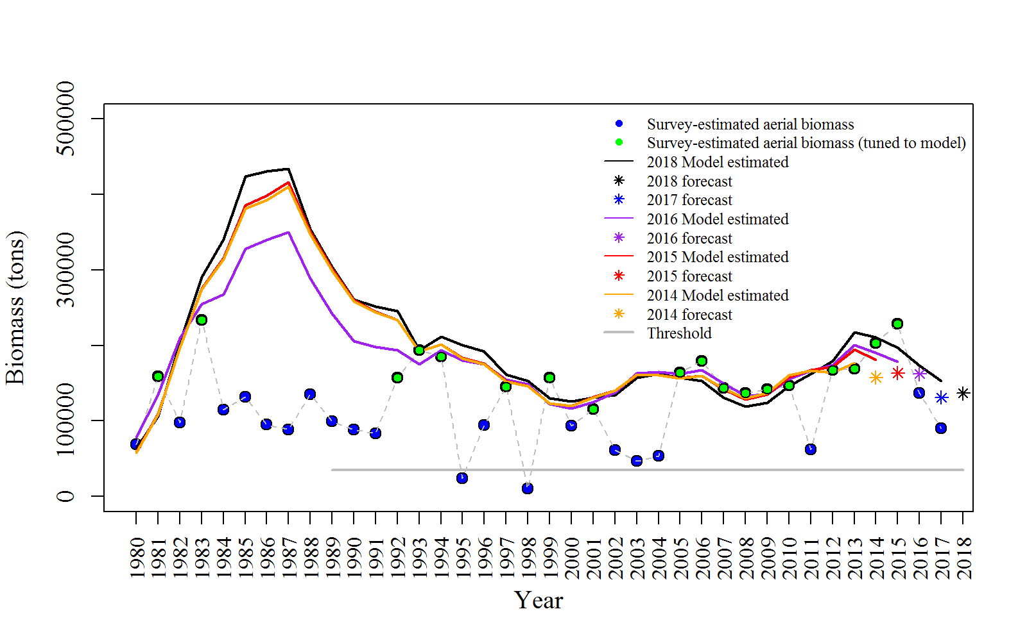
2003 | 47074.5 | 157263 |  | 161616 | 160914 | 163266 |  | 35000
2004 | 53625.5 | 162144 |  | 160528 | 160237 | 165144 |  | 35000
2005 | 163739 | 157485 | 163739 | 156462 | 156850 | 162426 |  | 35000
2006 | 179582 | 152745 | 179582 | 159718 | 159776 | 167738 |  | 35000
2007 | 143828 | 130857 | 143828 | 142351 | 141509 | 149640 |  | 35000
2008 | 136840 | 118541 | 136840 | 129926 | 128276 | 133204 |  | 35000
2009 | 142155 | 124272 | 142155 | 137082 | 134670 | 135304 |  | 35000
2010 | 146914 | 146489 | 146914 | 160164 | 157687 | 155786 |  | 35000
2011 | 62333.6 | 162670 |  | 166664 | 167234 | 166383 |  | 35000
2012 | 167740 | 179458 | 167740 | 163898 | 171880 | 174124 |  | 35000
2013 | 169022 | 217268 | 169022 | 176898 | 194771 | 200752 |  | 35000
2014 | 203269 | 210615 | 203269 |  | 181296 | 190640 |  | 35000
2015 | 228809 | 197216 | 228809 |  |  | 178368 |  | 35000
2016 | 136994 | 173410 |  |  |  |  |  | 35000
2017 | 90269.5 | 153150 |  |  |  |  |  | 35000

Figure 2
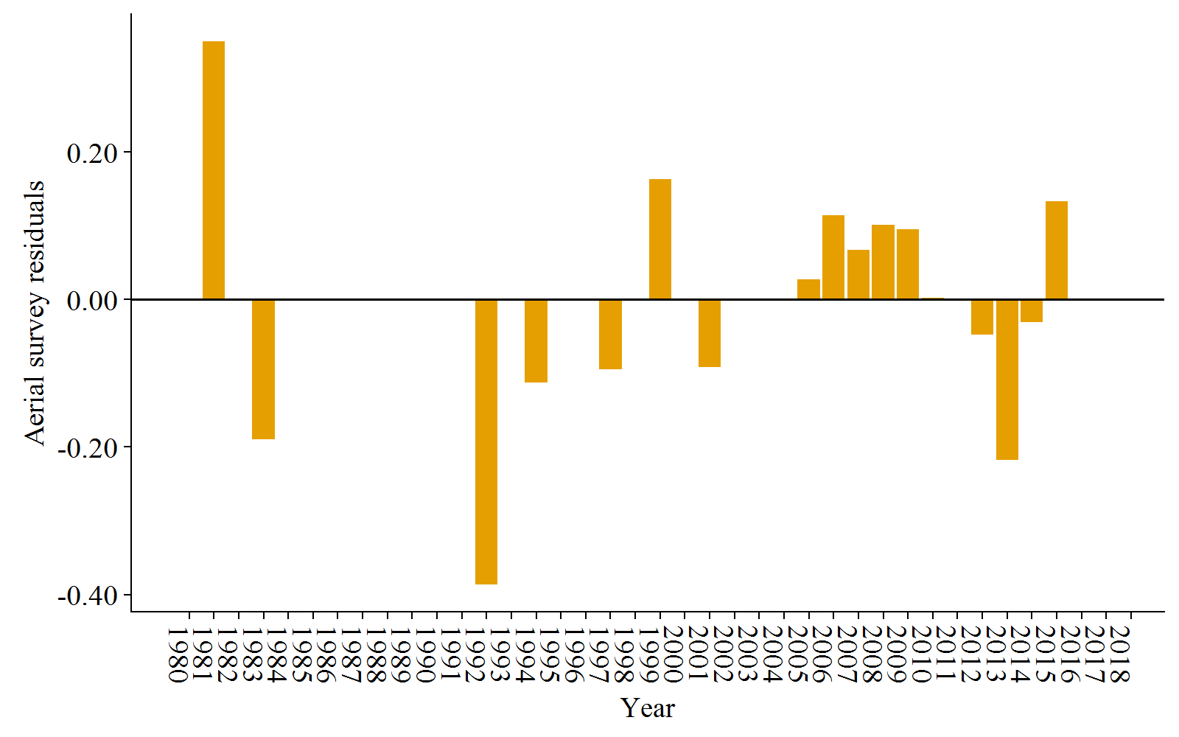
Year | res_aerial
1980 | 0
1981 | 0.350322
1982 | 0
1983 | -0.18935
1984 | 0
1985 | 0
1986 | 0
1987 | 0
1988 | 0
1989 | 0
1990 | 0
1991 | 0
1992 | -0.386804
1993 | 0.00159584
1994 | -0.112726
1995 | 0
1996 | 0
1997 | -0.0942557
1998 | 0
1999 | 0.162931
2000 | 0
2001 | -0.0915657
2002 | 0
2003 | 0
2004 | 0
2005 | 0.0275341
2006 | 0.114453
2007 | 0.0668346
2008 | 0.101512
2009 | 0.0950709
2010 | 0.00205184
2011 | 0
2012 | -0.04775
2013 | -0.217462
2014 | -0.0307452
2015 | 0.132902
2016 | 0
2017 | 0

Figure 3
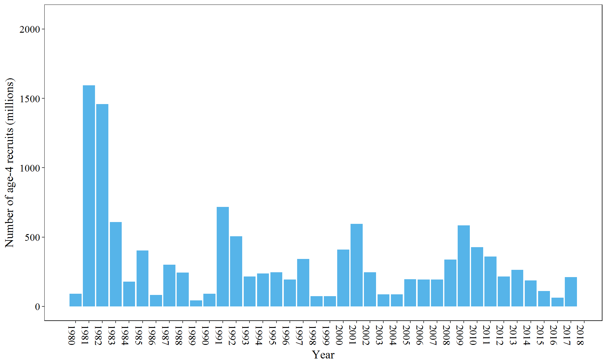
Year | init_age_4
1980 | 90.2649
1981 | 1594.62
1982 | 1458.5
1983 | 608.169
1984 | 177.738
1985 | 402.257
1986 | 82.1542
1987 | 300.343
1988 | 244.66
1989 | 42.6838
1990 | 92.1636
1991 | 716.994
1992 | 506.2
1993 | 215.499
1994 | 236.926
1995 | 246.909
1996 | 193.879
1997 | 343.055
1998 | 73.4208
1999 | 74.5377
2000 | 409.224
2001 | 595.219
2002 | 245.846
2003 | 85.8667
2004 | 86.2205
2005 | 196.811
2006 | 192.726
2007 | 193.178
2008 | 337.518
2009 | 583.465
2010 | 427.119
2011 | 360.461
2012 | 216.302
2013 | 262.526
2014 | 186.534
2015 | 110.714
2016 | 62.0442
2017 | 211.779

Figure 4
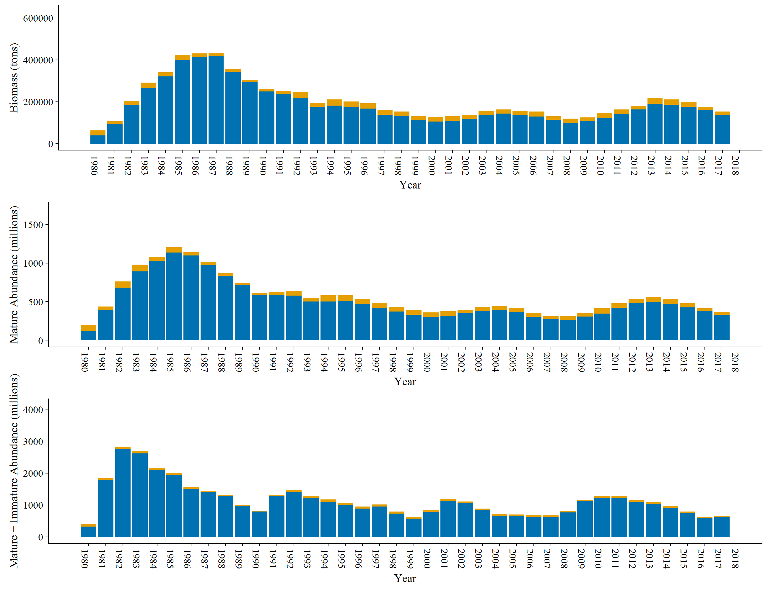
 | Year | N | tot_post_N | tot_sp_N | tot_mat_N | Catch1 | Catch2
 | 1980 | 399.499 | 324.708 | 120.826 | 195.616 | 74.79 | 74.791
 | 1981 | 1841.83 | 1794.06 | 388.172 | 435.934 | 47.762 | 47.77
 | 1982 | 2824.6 | 2744.27 | 681.887 | 762.22 | 80.333 | 80.33
 | 1983 | 2697.57 | 2610.6 | 891.934 | 978.904 | 86.97 | 86.97
 | 1984 | 2164.83 | 2105.08 | 1020.71 | 1080.46 | 59.75 | 59.75
 | 1985 | 2004.17 | 1932.47 | 1134.69 | 1206.39 | 71.7 | 71.7
 | 1986 | 1552.51 | 1509.71 | 1096.39 | 1139.19 | 42.8 | 42.8
 | 1987 | 1445.67 | 1409.79 | 975.942 | 1011.82 | 35.878 | 35.88
 | 1988 | 1309.62 | 1275.99 | 835.695 | 869.331 | 33.636 | 33.63
 | 1989 | 1002.98 | 973.689 | 710.666 | 739.956 | 29.29 | 29.291
 | 1990 | 821.503 | 793.306 | 581.313 | 609.511 | 28.198 | 28.197
 | 1991 | 1309.74 | 1275.29 | 586.466 | 620.91 | 34.444 | 34.45
 | 1992 | 1468.19 | 1407.01 | 579.155 | 640.339 | 61.184 | 61.18
 | 1993 | 1279.84 | 1232.85 | 503.441 | 550.435 | 46.994 | 46.99
 | 1994 | 1169.88 | 1090.14 | 500.418 | 580.167 | 79.749 | 79.74
 | 1995 | 1072.92 | 1001.15 | 508.35 | 580.113 | 71.763 | 71.77
 | 1996 | 953.459 | 888.83 | 467.187 | 531.816 | 64.629 | 64.629
 | 1997 | 1016.91 | 949.334 | 417.106 | 484.68 | 67.574 | 67.576
 | 1998 | 792.921 | 730.626 | 372.151 | 434.445 | 62.294 | 62.295
 | 1999 | 627.493 | 571.02 | 330.505 | 386.978 | 56.473 | 56.473
 | 2000 | 840.82 | 785.348 | 304.812 | 360.285 | 55.473 | 55.472
 | 2001 | 1190.43 | 1130.31 | 315.849 | 375.967 | 60.118 | 60.12
 | 2002 | 1104.17 | 1057.71 | 349.026 | 395.476 | 46.45 | 46.46
 | 2003 | 888.907 | 832.49 | 374.975 | 431.392 | 56.417 | 56.417
 | 2004 | 718.058 | 669.537 | 391.489 | 440.01 | 48.521 | 48.521
 | 2005 | 704.942 | 651.768 | 364.652 | 417.826 | 53.174 | 53.174
 | 2006 | 687.113 | 631.051 | 302.168 | 358.229 | 56.061 | 56.062
 | 2007 | 671.084 | 631.658 | 271.878 | 311.304 | 39.426 | 39.426
 | 2008 | 815.539 | 763.904 | 259.461 | 311.096 | 51.635 | 51.635
 | 2009 | 1162.48 | 1117.84 | 305.632 | 350.267 | 44.635 | 44.64
 | 2010 | 1276.16 | 1206.25 | 345.721 | 415.626 | 69.905 | 69.91
 | 2011 | 1277.29 | 1219.86 | 420.522 | 477.955 | 57.433 | 57.43
 | 2012 | 1143.65 | 1096.23 | 484.217 | 531.641 | 47.424 | 47.42
 | 2013 | 1095.68 | 1027.7 | 495.767 | 563.743 | 67.976 | 67.98
 | 2014 | 967.242 | 904.209 | 467.816 | 530.849 | 63.033 | 63.033
 | 2015 | 796.473 | 744.714 | 426.216 | 477.974 | 51.758 | 51.759
 | 2016 | 625.58 | 588.968 | 377.509 | 414.12 | 36.611 | 36.612
 | 2017 | 656.119 | 615.349 | 328.584 | 369.354 | 40.77 | 40.77

Figure 4b and 4c: Spawning population abundance (blue bars;top figure; tot_sp_N), population abundance (immature and spawning abundance) (blue bars;bottom figure; tot_post_N), and
commercial fishery harvest (yellow bars) over time. The combination of the blue and yellow bars (total height of each bar) is the mature population abundance (tot_mat_N),
or total population abundance (N).

Figure 5
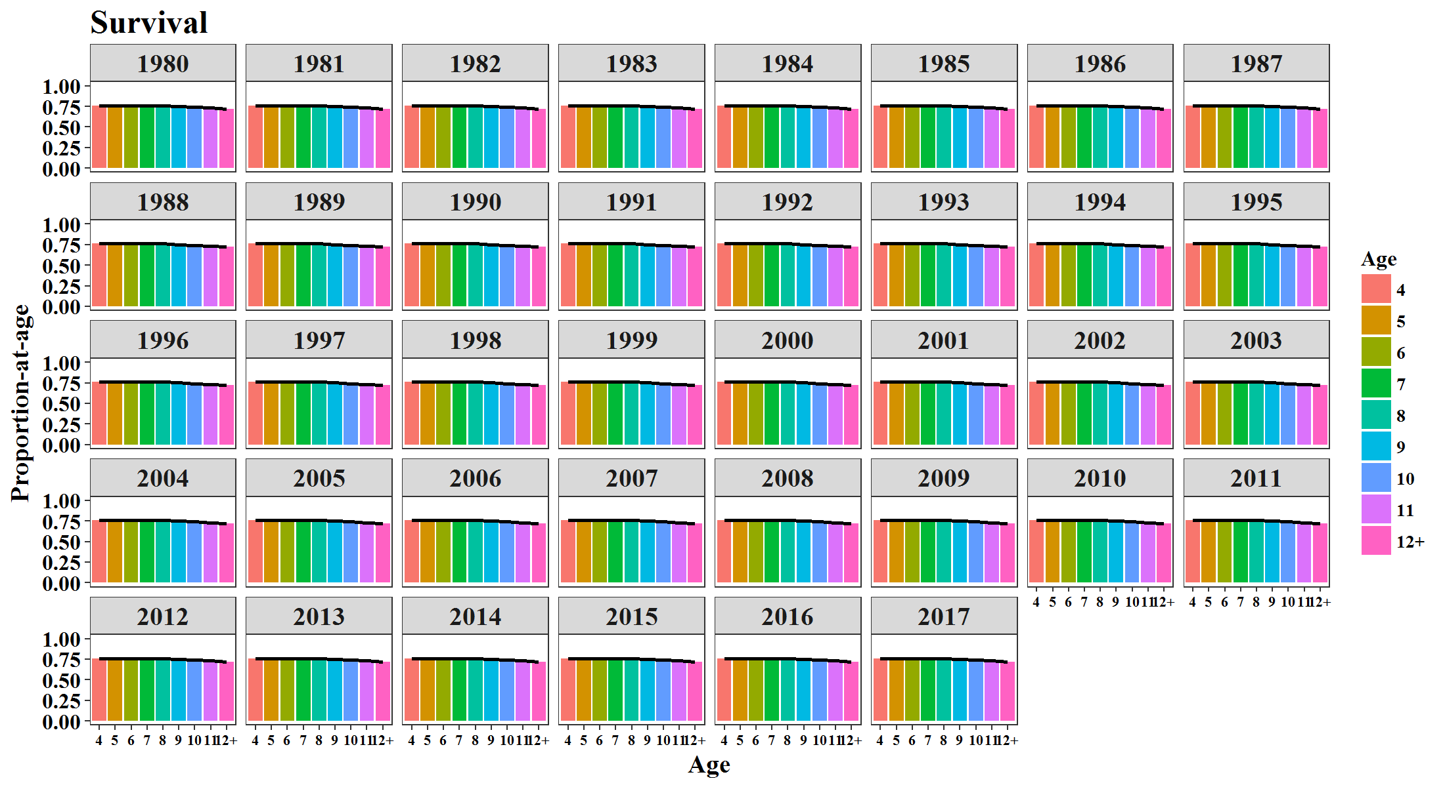
Year | Age | SUR | Year | Age | MAT | Year | Age | GS
1980 | 4 | 0.7615 | 1980 | 4 | 0.1715 | 1980 | 4 | 0.0767
1981 | 4 | 0.7615 | 1981 | 4 | 0.1715 | 1981 | 4 | 0.0767
1982 | 4 | 0.7615 | 1982 | 4 | 0.1715 | 1982 | 4 | 0.0767
1983 | 4 | 0.7615 | 1983 | 4 | 0.1715 | 1983 | 4 | 0.0767
1984 | 4 | 0.7615 | 1984 | 4 | 0.1715 | 1984 | 4 | 0.0767
1985 | 4 | 0.7615 | 1985 | 4 | 0.1715 | 1985 | 4 | 0.0767
1986 | 4 | 0.7615 | 1986 | 4 | 0.1715 | 1986 | 4 | 0.0767
1987 | 4 | 0.7615 | 1987 | 4 | 0.1715 | 1987 | 4 | 0.0767
1988 | 4 | 0.7615 | 1988 | 4 | 0.1715 | 1988 | 4 | 0.0767
1989 | 4 | 0.7615 | 1989 | 4 | 0.1715 | 1989 | 4 | 0.0767
1990 | 4 | 0.7615 | 1990 | 4 | 0.1715 | 1990 | 4 | 0.0767
1991 | 4 | 0.7615 | 1991 | 4 | 0.1715 | 1991 | 4 | 0.0767
1992 | 4 | 0.7615 | 1992 | 4 | 0.1715 | 1992 | 4 | 0.0767
1993 | 4 | 0.7615 | 1993 | 4 | 0.0894 | 1993 | 4 | 0.0767
1994 | 4 | 0.7615 | 1994 | 4 | 0.0894 | 1994 | 4 | 0.0767
1995 | 4 | 0.7615 | 1995 | 4 | 0.0894 | 1995 | 4 | 0.0767
1996 | 4 | 0.7615 | 1996 | 4 | 0.0894 | 1996 | 4 | 0.0767
1997 | 4 | 0.7615 | 1997 | 4 | 0.0894 | 1997 | 4 | 0.0767
1998 | 4 | 0.7615 | 1998 | 4 | 0.0894 | 1998 | 4 | 0.0767
1999 | 4 | 0.7615 | 1999 | 4 | 0.0894 | 1999 | 4 | 0.0767
2000 | 4 | 0.7615 | 2000 | 4 | 0.0894 | 2000 | 4 | 0.0767
2001 | 4 | 0.7615 | 2001 | 4 | 0.0894 | 2001 | 4 | 0.0767
2002 | 4 | 0.7615 | 2002 | 4 | 0.0894 | 2002 | 4 | 0.0668
2003 | 4 | 0.7615 | 2003 | 4 | 0.0894 | 2003 | 4 | 0.0668
2004 | 4 | 0.7615 | 2004 | 4 | 0.0894 | 2004 | 4 | 0.0668
2005 | 4 | 0.7615 | 2005 | 4 | 0.0894 | 2005 | 4 | 0.0668
2006 | 4 | 0.7615 | 2006 | 4 | 0.0894 | 2006 | 4 | 0.0668
2007 | 4 | 0.7615 | 2007 | 4 | 0.0894 | 2007 | 4 | 0.0668
2008 | 4 | 0.7615 | 2008 | 4 | 0.0894 | 2008 | 4 | 0.0668
2009 | 4 | 0.7615 | 2009 | 4 | 0.0894 | 2009 | 4 | 0.0668
2010 | 4 | 0.7615 | 2010 | 4 | 0.0894 | 2010 | 4 | 0.0668
2011 | 4 | 0.7615 | 2011 | 4 | 0.0894 | 2011 | 4 | 0.0668
2012 | 4 | 0.7615 | 2012 | 4 | 0.0894 | 2012 | 4 | 0.0668
2013 | 4 | 0.7615 | 2013 | 4 | 0.0894 | 2013 | 4 | 0.0668
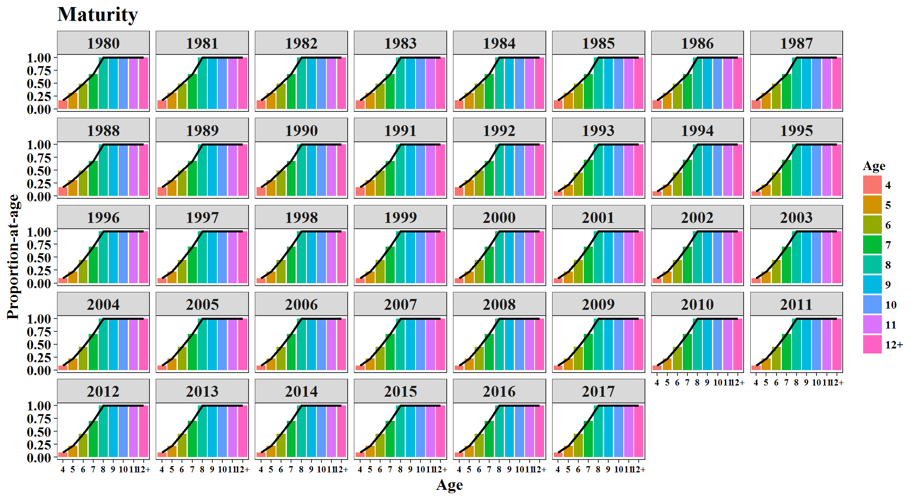
2014 | 4 | 0.7615 | 2014 | 4 | 0.0894 | 2014 | 4 | 0.0668
2015 | 4 | 0.7615 | 2015 | 4 | 0.0894 | 2015 | 4 | 0.0668
2016 | 4 | 0.7615 | 2016 | 4 | 0.0894 | 2016 | 4 | 0.0668
2017 | 4 | 0.7615 | 2017 | 4 | 0.0894 | 2017 | 4 | 0.0668
1980 | 5 | 0.7615 | 1980 | 5 | 0.3091 | 1980 | 5 | 0.2038
1981 | 5 | 0.7615 | 1981 | 5 | 0.3091 | 1981 | 5 | 0.2038
1982 | 5 | 0.7615 | 1982 | 5 | 0.3091 | 1982 | 5 | 0.2038
1983 | 5 | 0.7615 | 1983 | 5 | 0.3091 | 1983 | 5 | 0.2038
1984 | 5 | 0.7615 | 1984 | 5 | 0.3091 | 1984 | 5 | 0.2038
1985 | 5 | 0.7615 | 1985 | 5 | 0.3091 | 1985 | 5 | 0.2038
1986 | 5 | 0.7615 | 1986 | 5 | 0.3091 | 1986 | 5 | 0.2038
1987 | 5 | 0.7615 | 1987 | 5 | 0.3091 | 1987 | 5 | 0.2038
1988 | 5 | 0.7615 | 1988 | 5 | 0.3091 | 1988 | 5 | 0.2038
1989 | 5 | 0.7615 | 1989 | 5 | 0.3091 | 1989 | 5 | 0.2038
1990 | 5 | 0.7615 | 1990 | 5 | 0.3091 | 1990 | 5 | 0.2038
1991 | 5 | 0.7615 | 1991 | 5 | 0.3091 | 1991 | 5 | 0.2038
1992 | 5 | 0.7615 | 1992 | 5 | 0.3091 | 1992 | 5 | 0.2038
1993 | 5 | 0.7615 | 1993 | 5 | 0.2206 | 1993 | 5 | 0.2038
1994 | 5 | 0.7615 | 1994 | 5 | 0.2206 | 1994 | 5 | 0.2038
1995 | 5 | 0.7615 | 1995 | 5 | 0.2206 | 1995 | 5 | 0.2038
1996 | 5 | 0.7615 | 1996 | 5 | 0.2206 | 1996 | 5 | 0.2038
1997 | 5 | 0.7615 | 1997 | 5 | 0.2206 | 1997 | 5 | 0.2038
1998 | 5 | 0.7615 | 1998 | 5 | 0.2206 | 1998 | 5 | 0.2038
1999 | 5 | 0.7615 | 1999 | 5 | 0.2206 | 1999 | 5 | 0.2038
2000 | 5 | 0.7615 | 2000 | 5 | 0.2206 | 2000 | 5 | 0.2038
2001 | 5 | 0.7615 | 2001 | 5 | 0.2206 | 2001 | 5 | 0.2038
2002 | 5 | 0.7615 | 2002 | 5 | 0.2206 | 2002 | 5 | 0.211
2003 | 5 | 0.7615 | 2003 | 5 | 0.2206 | 2003 | 5 | 0.211
2004 | 5 | 0.7615 | 2004 | 5 | 0.2206 | 2004 | 5 | 0.211
2005 | 5 | 0.7615 | 2005 | 5 | 0.2206 | 2005 | 5 | 0.211
2006 | 5 | 0.7615 | 2006 | 5 | 0.2206 | 2006 | 5 | 0.211
2007 | 5 | 0.7615 | 2007 | 5 | 0.2206 | 2007 | 5 | 0.211
2008 | 5 | 0.7615 | 2008 | 5 | 0.2206 | 2008 | 5 | 0.211
2009 | 5 | 0.7615 | 2009 | 5 | 0.2206 | 2009 | 5 | 0.211
2010 | 5 | 0.7615 | 2010 | 5 | 0.2206 | 2010 | 5 | 0.211
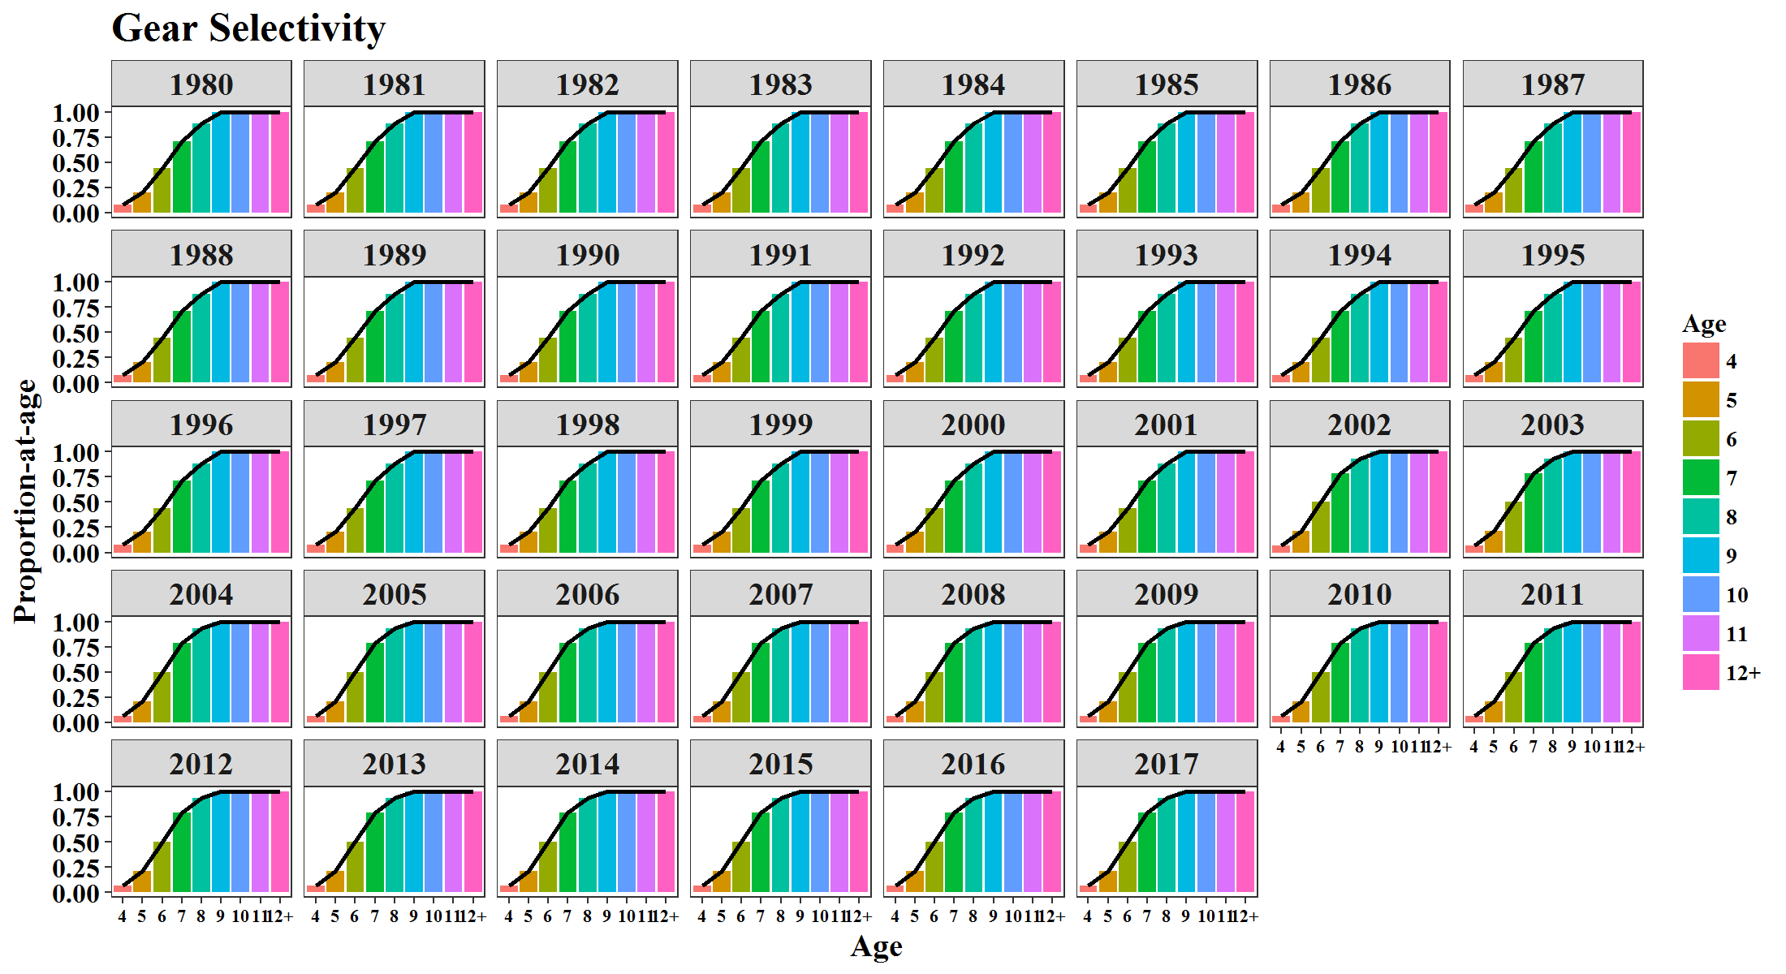
2011 | 5 | 0.7615 | 2011 | 5 | 0.2206 | 2011 | 5 | 0.211
2012 | 5 | 0.7615 | 2012 | 5 | 0.2206 | 2012 | 5 | 0.211
2013 | 5 | 0.7615 | 2013 | 5 | 0.2206 | 2013 | 5 | 0.211
2014 | 5 | 0.7615 | 2014 | 5 | 0.2206 | 2014 | 5 | 0.211
2015 | 5 | 0.7615 | 2015 | 5 | 0.2206 | 2015 | 5 | 0.211
2016 | 5 | 0.7615 | 2016 | 5 | 0.2206 | 2016 | 5 | 0.211
2017 | 5 | 0.7615 | 2017 | 5 | 0.2206 | 2017 | 5 | 0.211
1980 | 6 | 0.7615 | 1980 | 6 | 0.4918 | 1980 | 6 | 0.4412
1981 | 6 | 0.7615 | 1981 | 6 | 0.4918 | 1981 | 6 | 0.4412
1982 | 6 | 0.7615 | 1982 | 6 | 0.4918 | 1982 | 6 | 0.4412
1983 | 6 | 0.7615 | 1983 | 6 | 0.4918 | 1983 | 6 | 0.4412
1984 | 6 | 0.7615 | 1984 | 6 | 0.4918 | 1984 | 6 | 0.4412
1985 | 6 | 0.7615 | 1985 | 6 | 0.4918 | 1985 | 6 | 0.4412
1986 | 6 | 0.7615 | 1986 | 6 | 0.4918 | 1986 | 6 | 0.4412
1987 | 6 | 0.7615 | 1987 | 6 | 0.4918 | 1987 | 6 | 0.4412
1988 | 6 | 0.7615 | 1988 | 6 | 0.4918 | 1988 | 6 | 0.4412
1989 | 6 | 0.7615 | 1989 | 6 | 0.4918 | 1989 | 6 | 0.4412
1990 | 6 | 0.7615 | 1990 | 6 | 0.4918 | 1990 | 6 | 0.4412
1991 | 6 | 0.7615 | 1991 | 6 | 0.4918 | 1991 | 6 | 0.4412
1992 | 6 | 0.7615 | 1992 | 6 | 0.4918 | 1992 | 6 | 0.4412
1993 | 6 | 0.7615 | 1993 | 6 | 0.4494 | 1993 | 6 | 0.4412
1994 | 6 | 0.7615 | 1994 | 6 | 0.4494 | 1994 | 6 | 0.4412
1995 | 6 | 0.7615 | 1995 | 6 | 0.4494 | 1995 | 6 | 0.4412
1996 | 6 | 0.7615 | 1996 | 6 | 0.4494 | 1996 | 6 | 0.4412
1997 | 6 | 0.7615 | 1997 | 6 | 0.4494 | 1997 | 6 | 0.4412
1998 | 6 | 0.7615 | 1998 | 6 | 0.4494 | 1998 | 6 | 0.4412
1999 | 6 | 0.7615 | 1999 | 6 | 0.4494 | 1999 | 6 | 0.4412
2000 | 6 | 0.7615 | 2000 | 6 | 0.4494 | 2000 | 6 | 0.4412
2001 | 6 | 0.7615 | 2001 | 6 | 0.4494 | 2001 | 6 | 0.4412
2002 | 6 | 0.7615 | 2002 | 6 | 0.4494 | 2002 | 6 | 0.4995
2003 | 6 | 0.7615 | 2003 | 6 | 0.4494 | 2003 | 6 | 0.4995
2004 | 6 | 0.7615 | 2004 | 6 | 0.4494 | 2004 | 6 | 0.4995
2005 | 6 | 0.7615 | 2005 | 6 | 0.4494 | 2005 | 6 | 0.4995
2006 | 6 | 0.7615 | 2006 | 6 | 0.4494 | 2006 | 6 | 0.4995
2007 | 6 | 0.7615 | 2007 | 6 | 0.4494 | 2007 | 6 | 0.4995
2008 | 6 | 0.7615 | 2008 | 6 | 0.4494 | 2008 | 6 | 0.4995
2009 | 6 | 0.7615 | 2009 | 6 | 0.4494 | 2009 | 6 | 0.4995
2010 | 6 | 0.7615 | 2010 | 6 | 0.4494 | 2010 | 6 | 0.4995
2011 | 6 | 0.7615 | 2011 | 6 | 0.4494 | 2011 | 6 | 0.4995
2012 | 6 | 0.7615 | 2012 | 6 | 0.4494 | 2012 | 6 | 0.4995
2013 | 6 | 0.7615 | 2013 | 6 | 0.4494 | 2013 | 6 | 0.4995
2014 | 6 | 0.7615 | 2014 | 6 | 0.4494 | 2014 | 6 | 0.4995
2015 | 6 | 0.7615 | 2015 | 6 | 0.4494 | 2015 | 6 | 0.4995
2016 | 6 | 0.7615 | 2016 | 6 | 0.4494 | 2016 | 6 | 0.4995
2017 | 6 | 0.7615 | 2017 | 6 | 0.4494 | 2017 | 6 | 0.4995
1980 | 7 | 0.7615 | 1980 | 7 | 0.6766 | 1980 | 7 | 0.7089
1981 | 7 | 0.7615 | 1981 | 7 | 0.6766 | 1981 | 7 | 0.7089
1982 | 7 | 0.7615 | 1982 | 7 | 0.6766 | 1982 | 7 | 0.7089
1983 | 7 | 0.7615 | 1983 | 7 | 0.6766 | 1983 | 7 | 0.7089
1984 | 7 | 0.7615 | 1984 | 7 | 0.6766 | 1984 | 7 | 0.7089
1985 | 7 | 0.7615 | 1985 | 7 | 0.6766 | 1985 | 7 | 0.7089
1986 | 7 | 0.7615 | 1986 | 7 | 0.6766 | 1986 | 7 | 0.7089
1987 | 7 | 0.7615 | 1987 | 7 | 0.6766 | 1987 | 7 | 0.7089
1988 | 7 | 0.7615 | 1988 | 7 | 0.6766 | 1988 | 7 | 0.7089
1989 | 7 | 0.7615 | 1989 | 7 | 0.6766 | 1989 | 7 | 0.7089
1990 | 7 | 0.7615 | 1990 | 7 | 0.6766 | 1990 | 7 | 0.7089
1991 | 7 | 0.7615 | 1991 | 7 | 0.6766 | 1991 | 7 | 0.7089
1992 | 7 | 0.7615 | 1992 | 7 | 0.6766 | 1992 | 7 | 0.7089
1993 | 7 | 0.7615 | 1993 | 7 | 0.7019 | 1993 | 7 | 0.7089
1994 | 7 | 0.7615 | 1994 | 7 | 0.7019 | 1994 | 7 | 0.7089
1995 | 7 | 0.7615 | 1995 | 7 | 0.7019 | 1995 | 7 | 0.7089
1996 | 7 | 0.7615 | 1996 | 7 | 0.7019 | 1996 | 7 | 0.7089
1997 | 7 | 0.7615 | 1997 | 7 | 0.7019 | 1997 | 7 | 0.7089
1998 | 7 | 0.7615 | 1998 | 7 | 0.7019 | 1998 | 7 | 0.7089
1999 | 7 | 0.7615 | 1999 | 7 | 0.7019 | 1999 | 7 | 0.7089
2000 | 7 | 0.7615 | 2000 | 7 | 0.7019 | 2000 | 7 | 0.7089
2001 | 7 | 0.7615 | 2001 | 7 | 0.7019 | 2001 | 7 | 0.7089
2002 | 7 | 0.7615 | 2002 | 7 | 0.7019 | 2002 | 7 | 0.7884
2003 | 7 | 0.7615 | 2003 | 7 | 0.7019 | 2003 | 7 | 0.7884
2004 | 7 | 0.7615 | 2004 | 7 | 0.7019 | 2004 | 7 | 0.7884
2005 | 7 | 0.7615 | 2005 | 7 | 0.7019 | 2005 | 7 | 0.7884
2006 | 7 | 0.7615 | 2006 | 7 | 0.7019 | 2006 | 7 | 0.7884
2007 | 7 | 0.7615 | 2007 | 7 | 0.7019 | 2007 | 7 | 0.7884
2008 | 7 | 0.7615 | 2008 | 7 | 0.7019 | 2008 | 7 | 0.7884
2009 | 7 | 0.7615 | 2009 | 7 | 0.7019 | 2009 | 7 | 0.7884
2010 | 7 | 0.7615 | 2010 | 7 | 0.7019 | 2010 | 7 | 0.7884
2011 | 7 | 0.7615 | 2011 | 7 | 0.7019 | 2011 | 7 | 0.7884
2012 | 7 | 0.7615 | 2012 | 7 | 0.7019 | 2012 | 7 | 0.7884
2013 | 7 | 0.7615 | 2013 | 7 | 0.7019 | 2013 | 7 | 0.7884
2014 | 7 | 0.7615 | 2014 | 7 | 0.7019 | 2014 | 7 | 0.7884
2015 | 7 | 0.7615 | 2015 | 7 | 0.7019 | 2015 | 7 | 0.7884
2016 | 7 | 0.7615 | 2016 | 7 | 0.7019 | 2016 | 7 | 0.7884
2017 | 7 | 0.7615 | 2017 | 7 | 0.7019 | 2017 | 7 | 0.7884
1980 | 8 | 0.7615 | 1980 | 8 | 1 | 1980 | 8 | 0.8825
1981 | 8 | 0.7615 | 1981 | 8 | 1 | 1981 | 8 | 0.8825
1982 | 8 | 0.7615 | 1982 | 8 | 1 | 1982 | 8 | 0.8825
1983 | 8 | 0.7615 | 1983 | 8 | 1 | 1983 | 8 | 0.8825
1984 | 8 | 0.7615 | 1984 | 8 | 1 | 1984 | 8 | 0.8825
1985 | 8 | 0.7615 | 1985 | 8 | 1 | 1985 | 8 | 0.8825
1986 | 8 | 0.7615 | 1986 | 8 | 1 | 1986 | 8 | 0.8825
1987 | 8 | 0.7615 | 1987 | 8 | 1 | 1987 | 8 | 0.8825
1988 | 8 | 0.7615 | 1988 | 8 | 1 | 1988 | 8 | 0.8825
1989 | 8 | 0.7615 | 1989 | 8 | 1 | 1989 | 8 | 0.8825
1990 | 8 | 0.7615 | 1990 | 8 | 1 | 1990 | 8 | 0.8825
1991 | 8 | 0.7615 | 1991 | 8 | 1 | 1991 | 8 | 0.8825
1992 | 8 | 0.7615 | 1992 | 8 | 1 | 1992 | 8 | 0.8825
1993 | 8 | 0.7615 | 1993 | 8 | 1 | 1993 | 8 | 0.8825
1994 | 8 | 0.7615 | 1994 | 8 | 1 | 1994 | 8 | 0.8825
1995 | 8 | 0.7615 | 1995 | 8 | 1 | 1995 | 8 | 0.8825
1996 | 8 | 0.7615 | 1996 | 8 | 1 | 1996 | 8 | 0.8825
1997 | 8 | 0.7615 | 1997 | 8 | 1 | 1997 | 8 | 0.8825
1998 | 8 | 0.7615 | 1998 | 8 | 1 | 1998 | 8 | 0.8825
1999 | 8 | 0.7615 | 1999 | 8 | 1 | 1999 | 8 | 0.8825
2000 | 8 | 0.7615 | 2000 | 8 | 1 | 2000 | 8 | 0.8825
2001 | 8 | 0.7615 | 2001 | 8 | 1 | 2001 | 8 | 0.8825
2002 | 8 | 0.7615 | 2002 | 8 | 1 | 2002 | 8 | 0.9329
2003 | 8 | 0.7615 | 2003 | 8 | 1 | 2003 | 8 | 0.9329
2004 | 8 | 0.7615 | 2004 | 8 | 1 | 2004 | 8 | 0.9329
2005 | 8 | 0.7615 | 2005 | 8 | 1 | 2005 | 8 | 0.9329
2006 | 8 | 0.7615 | 2006 | 8 | 1 | 2006 | 8 | 0.9329
2007 | 8 | 0.7615 | 2007 | 8 | 1 | 2007 | 8 | 0.9329
2008 | 8 | 0.7615 | 2008 | 8 | 1 | 2008 | 8 | 0.9329
2009 | 8 | 0.7615 | 2009 | 8 | 1 | 2009 | 8 | 0.9329
2010 | 8 | 0.7615 | 2010 | 8 | 1 | 2010 | 8 | 0.9329
2011 | 8 | 0.7615 | 2011 | 8 | 1 | 2011 | 8 | 0.9329
2012 | 8 | 0.7615 | 2012 | 8 | 1 | 2012 | 8 | 0.9329
2013 | 8 | 0.7615 | 2013 | 8 | 1 | 2013 | 8 | 0.9329
2014 | 8 | 0.7615 | 2014 | 8 | 1 | 2014 | 8 | 0.9329
2015 | 8 | 0.7615 | 2015 | 8 | 1 | 2015 | 8 | 0.9329
2016 | 8 | 0.7615 | 2016 | 8 | 1 | 2016 | 8 | 0.9329
2017 | 8 | 0.7615 | 2017 | 8 | 1 | 2017 | 8 | 0.9329
1980 | 9 | 0.7515 | 1980 | 9 | 1 | 1980 | 9 | 1
1981 | 9 | 0.7515 | 1981 | 9 | 1 | 1981 | 9 | 1
1982 | 9 | 0.7515 | 1982 | 9 | 1 | 1982 | 9 | 1
1983 | 9 | 0.7515 | 1983 | 9 | 1 | 1983 | 9 | 1
1984 | 9 | 0.7515 | 1984 | 9 | 1 | 1984 | 9 | 1
1985 | 9 | 0.7515 | 1985 | 9 | 1 | 1985 | 9 | 1
1986 | 9 | 0.7515 | 1986 | 9 | 1 | 1986 | 9 | 1
1987 | 9 | 0.7515 | 1987 | 9 | 1 | 1987 | 9 | 1
1988 | 9 | 0.7515 | 1988 | 9 | 1 | 1988 | 9 | 1
1989 | 9 | 0.7515 | 1989 | 9 | 1 | 1989 | 9 | 1
1990 | 9 | 0.7515 | 1990 | 9 | 1 | 1990 | 9 | 1
1991 | 9 | 0.7515 | 1991 | 9 | 1 | 1991 | 9 | 1
1992 | 9 | 0.7515 | 1992 | 9 | 1 | 1992 | 9 | 1
1993 | 9 | 0.7515 | 1993 | 9 | 1 | 1993 | 9 | 1
1994 | 9 | 0.7515 | 1994 | 9 | 1 | 1994 | 9 | 1
1995 | 9 | 0.7515 | 1995 | 9 | 1 | 1995 | 9 | 1
1996 | 9 | 0.7515 | 1996 | 9 | 1 | 1996 | 9 | 1
1997 | 9 | 0.7515 | 1997 | 9 | 1 | 1997 | 9 | 1
1998 | 9 | 0.7515 | 1998 | 9 | 1 | 1998 | 9 | 1
1999 | 9 | 0.7515 | 1999 | 9 | 1 | 1999 | 9 | 1
2000 | 9 | 0.7515 | 2000 | 9 | 1 | 2000 | 9 | 1
2001 | 9 | 0.7515 | 2001 | 9 | 1 | 2001 | 9 | 1
2002 | 9 | 0.7515 | 2002 | 9 | 1 | 2002 | 9 | 1
2003 | 9 | 0.7515 | 2003 | 9 | 1 | 2003 | 9 | 1
2004 | 9 | 0.7515 | 2004 | 9 | 1 | 2004 | 9 | 1
2005 | 9 | 0.7515 | 2005 | 9 | 1 | 2005 | 9 | 1
2006 | 9 | 0.7515 | 2006 | 9 | 1 | 2006 | 9 | 1
2007 | 9 | 0.7515 | 2007 | 9 | 1 | 2007 | 9 | 1
2008 | 9 | 0.7515 | 2008 | 9 | 1 | 2008 | 9 | 1
2009 | 9 | 0.7515 | 2009 | 9 | 1 | 2009 | 9 | 1
2010 | 9 | 0.7515 | 2010 | 9 | 1 | 2010 | 9 | 1
2011 | 9 | 0.7515 | 2011 | 9 | 1 | 2011 | 9 | 1
2012 | 9 | 0.7515 | 2012 | 9 | 1 | 2012 | 9 | 1
2013 | 9 | 0.7515 | 2013 | 9 | 1 | 2013 | 9 | 1
2014 | 9 | 0.7515 | 2014 | 9 | 1 | 2014 | 9 | 1
2015 | 9 | 0.7515 | 2015 | 9 | 1 | 2015 | 9 | 1
2016 | 9 | 0.7515 | 2016 | 9 | 1 | 2016 | 9 | 1
2017 | 9 | 0.7515 | 2017 | 9 | 1 | 2017 | 9 | 1
1980 | 10 | 0.7415 | 1980 | 10 | 1 | 1980 | 10 | 1
1981 | 10 | 0.7415 | 1981 | 10 | 1 | 1981 | 10 | 1
1982 | 10 | 0.7415 | 1982 | 10 | 1 | 1982 | 10 | 1
1983 | 10 | 0.7415 | 1983 | 10 | 1 | 1983 | 10 | 1
1984 | 10 | 0.7415 | 1984 | 10 | 1 | 1984 | 10 | 1
1985 | 10 | 0.7415 | 1985 | 10 | 1 | 1985 | 10 | 1
1986 | 10 | 0.7415 | 1986 | 10 | 1 | 1986 | 10 | 1
1987 | 10 | 0.7415 | 1987 | 10 | 1 | 1987 | 10 | 1
1988 | 10 | 0.7415 | 1988 | 10 | 1 | 1988 | 10 | 1
1989 | 10 | 0.7415 | 1989 | 10 | 1 | 1989 | 10 | 1
1990 | 10 | 0.7415 | 1990 | 10 | 1 | 1990 | 10 | 1
1991 | 10 | 0.7415 | 1991 | 10 | 1 | 1991 | 10 | 1
1992 | 10 | 0.7415 | 1992 | 10 | 1 | 1992 | 10 | 1
1993 | 10 | 0.7415 | 1993 | 10 | 1 | 1993 | 10 | 1
1994 | 10 | 0.7415 | 1994 | 10 | 1 | 1994 | 10 | 1
1995 | 10 | 0.7415 | 1995 | 10 | 1 | 1995 | 10 | 1
1996 | 10 | 0.7415 | 1996 | 10 | 1 | 1996 | 10 | 1
1997 | 10 | 0.7415 | 1997 | 10 | 1 | 1997 | 10 | 1
1998 | 10 | 0.7415 | 1998 | 10 | 1 | 1998 | 10 | 1
1999 | 10 | 0.7415 | 1999 | 10 | 1 | 1999 | 10 | 1
2000 | 10 | 0.7415 | 2000 | 10 | 1 | 2000 | 10 | 1
2001 | 10 | 0.7415 | 2001 | 10 | 1 | 2001 | 10 | 1
2002 | 10 | 0.7415 | 2002 | 10 | 1 | 2002 | 10 | 1
2003 | 10 | 0.7415 | 2003 | 10 | 1 | 2003 | 10 | 1
2004 | 10 | 0.7415 | 2004 | 10 | 1 | 2004 | 10 | 1
2005 | 10 | 0.7415 | 2005 | 10 | 1 | 2005 | 10 | 1
2006 | 10 | 0.7415 | 2006 | 10 | 1 | 2006 | 10 | 1
2007 | 10 | 0.7415 | 2007 | 10 | 1 | 2007 | 10 | 1
2008 | 10 | 0.7415 | 2008 | 10 | 1 | 2008 | 10 | 1
2009 | 10 | 0.7415 | 2009 | 10 | 1 | 2009 | 10 | 1
2010 | 10 | 0.7415 | 2010 | 10 | 1 | 2010 | 10 | 1
2011 | 10 | 0.7415 | 2011 | 10 | 1 | 2011 | 10 | 1
2012 | 10 | 0.7415 | 2012 | 10 | 1 | 2012 | 10 | 1
2013 | 10 | 0.7415 | 2013 | 10 | 1 | 2013 | 10 | 1
2014 | 10 | 0.7415 | 2014 | 10 | 1 | 2014 | 10 | 1
2015 | 10 | 0.7415 | 2015 | 10 | 1 | 2015 | 10 | 1
2016 | 10 | 0.7415 | 2016 | 10 | 1 | 2016 | 10 | 1
2017 | 10 | 0.7415 | 2017 | 10 | 1 | 2017 | 10 | 1
1980 | 11 | 0.7315 | 1980 | 11 | 1 | 1980 | 11 | 1
1981 | 11 | 0.7315 | 1981 | 11 | 1 | 1981 | 11 | 1
1982 | 11 | 0.7315 | 1982 | 11 | 1 | 1982 | 11 | 1
1983 | 11 | 0.7315 | 1983 | 11 | 1 | 1983 | 11 | 1
1984 | 11 | 0.7315 | 1984 | 11 | 1 | 1984 | 11 | 1
1985 | 11 | 0.7315 | 1985 | 11 | 1 | 1985 | 11 | 1
1986 | 11 | 0.7315 | 1986 | 11 | 1 | 1986 | 11 | 1
1987 | 11 | 0.7315 | 1987 | 11 | 1 | 1987 | 11 | 1
1988 | 11 | 0.7315 | 1988 | 11 | 1 | 1988 | 11 | 1
1989 | 11 | 0.7315 | 1989 | 11 | 1 | 1989 | 11 | 1
1990 | 11 | 0.7315 | 1990 | 11 | 1 | 1990 | 11 | 1
1991 | 11 | 0.7315 | 1991 | 11 | 1 | 1991 | 11 | 1
1992 | 11 | 0.7315 | 1992 | 11 | 1 | 1992 | 11 | 1
1993 | 11 | 0.7315 | 1993 | 11 | 1 | 1993 | 11 | 1
1994 | 11 | 0.7315 | 1994 | 11 | 1 | 1994 | 11 | 1
1995 | 11 | 0.7315 | 1995 | 11 | 1 | 1995 | 11 | 1
1996 | 11 | 0.7315 | 1996 | 11 | 1 | 1996 | 11 | 1
1997 | 11 | 0.7315 | 1997 | 11 | 1 | 1997 | 11 | 1
1998 | 11 | 0.7315 | 1998 | 11 | 1 | 1998 | 11 | 1
1999 | 11 | 0.7315 | 1999 | 11 | 1 | 1999 | 11 | 1
2000 | 11 | 0.7315 | 2000 | 11 | 1 | 2000 | 11 | 1
2001 | 11 | 0.7315 | 2001 | 11 | 1 | 2001 | 11 | 1
2002 | 11 | 0.7315 | 2002 | 11 | 1 | 2002 | 11 | 1
2003 | 11 | 0.7315 | 2003 | 11 | 1 | 2003 | 11 | 1
2004 | 11 | 0.7315 | 2004 | 11 | 1 | 2004 | 11 | 1
2005 | 11 | 0.7315 | 2005 | 11 | 1 | 2005 | 11 | 1
2006 | 11 | 0.7315 | 2006 | 11 | 1 | 2006 | 11 | 1
2007 | 11 | 0.7315 | 2007 | 11 | 1 | 2007 | 11 | 1
2008 | 11 | 0.7315 | 2008 | 11 | 1 | 2008 | 11 | 1
2009 | 11 | 0.7315 | 2009 | 11 | 1 | 2009 | 11 | 1
2010 | 11 | 0.7315 | 2010 | 11 | 1 | 2010 | 11 | 1
2011 | 11 | 0.7315 | 2011 | 11 | 1 | 2011 | 11 | 1
2012 | 11 | 0.7315 | 2012 | 11 | 1 | 2012 | 11 | 1
2013 | 11 | 0.7315 | 2013 | 11 | 1 | 2013 | 11 | 1
2014 | 11 | 0.7315 | 2014 | 11 | 1 | 2014 | 11 | 1
2015 | 11 | 0.7315 | 2015 | 11 | 1 | 2015 | 11 | 1
2016 | 11 | 0.7315 | 2016 | 11 | 1 | 2016 | 11 | 1
2017 | 11 | 0.7315 | 2017 | 11 | 1 | 2017 | 11 | 1
1980 | 12+ | 0.7215 | 1980 | 12+ | 1 | 1980 | 12+ | 1
1981 | 12+ | 0.7215 | 1981 | 12+ | 1 | 1981 | 12+ | 1
1982 | 12+ | 0.7215 | 1982 | 12+ | 1 | 1982 | 12+ | 1
1983 | 12+ | 0.7215 | 1983 | 12+ | 1 | 1983 | 12+ | 1
1984 | 12+ | 0.7215 | 1984 | 12+ | 1 | 1984 | 12+ | 1
1985 | 12+ | 0.7215 | 1985 | 12+ | 1 | 1985 | 12+ | 1
1986 | 12+ | 0.7215 | 1986 | 12+ | 1 | 1986 | 12+ | 1
1987 | 12+ | 0.7215 | 1987 | 12+ | 1 | 1987 | 12+ | 1
1988 | 12+ | 0.7215 | 1988 | 12+ | 1 | 1988 | 12+ | 1
1989 | 12+ | 0.7215 | 1989 | 12+ | 1 | 1989 | 12+ | 1
1990 | 12+ | 0.7215 | 1990 | 12+ | 1 | 1990 | 12+ | 1
1991 | 12+ | 0.7215 | 1991 | 12+ | 1 | 1991 | 12+ | 1
1992 | 12+ | 0.7215 | 1992 | 12+ | 1 | 1992 | 12+ | 1
1993 | 12+ | 0.7215 | 1993 | 12+ | 1 | 1993 | 12+ | 1
1994 | 12+ | 0.7215 | 1994 | 12+ | 1 | 1994 | 12+ | 1
1995 | 12+ | 0.7215 | 1995 | 12+ | 1 | 1995 | 12+ | 1
1996 | 12+ | 0.7215 | 1996 | 12+ | 1 | 1996 | 12+ | 1
1997 | 12+ | 0.7215 | 1997 | 12+ | 1 | 1997 | 12+ | 1
1998 | 12+ | 0.7215 | 1998 | 12+ | 1 | 1998 | 12+ | 1
1999 | 12+ | 0.7215 | 1999 | 12+ | 1 | 1999 | 12+ | 1
2000 | 12+ | 0.7215 | 2000 | 12+ | 1 | 2000 | 12+ | 1
2001 | 12+ | 0.7215 | 2001 | 12+ | 1 | 2001 | 12+ | 1
2002 | 12+ | 0.7215 | 2002 | 12+ | 1 | 2002 | 12+ | 1
2003 | 12+ | 0.7215 | 2003 | 12+ | 1 | 2003 | 12+ | 1
2004 | 12+ | 0.7215 | 2004 | 12+ | 1 | 2004 | 12+ | 1
2005 | 12+ | 0.7215 | 2005 | 12+ | 1 | 2005 | 12+ | 1
2006 | 12+ | 0.7215 | 2006 | 12+ | 1 | 2006 | 12+ | 1
2007 | 12+ | 0.7215 | 2007 | 12+ | 1 | 2007 | 12+ | 1
2008 | 12+ | 0.7215 | 2008 | 12+ | 1 | 2008 | 12+ | 1
2009 | 12+ | 0.7215 | 2009 | 12+ | 1 | 2009 | 12+ | 1
2010 | 12+ | 0.7215 | 2010 | 12+ | 1 | 2010 | 12+ | 1
2011 | 12+ | 0.7215 | 2011 | 12+ | 1 | 2011 | 12+ | 1
2012 | 12+ | 0.7215 | 2012 | 12+ | 1 | 2012 | 12+ | 1
2013 | 12+ | 0.7215 | 2013 | 12+ | 1 | 2013 | 12+ | 1
2014 | 12+ | 0.7215 | 2014 | 12+ | 1 | 2014 | 12+ | 1
2015 | 12+ | 0.7215 | 2015 | 12+ | 1 | 2015 | 12+ | 1
2016 | 12+ | 0.7215 | 2016 | 12+ | 1 | 2016 | 12+ | 1
2017 | 12+ | 0.7215 | 2017 | 12+ | 1 | 2017 | 12+ | 1

Figure 6
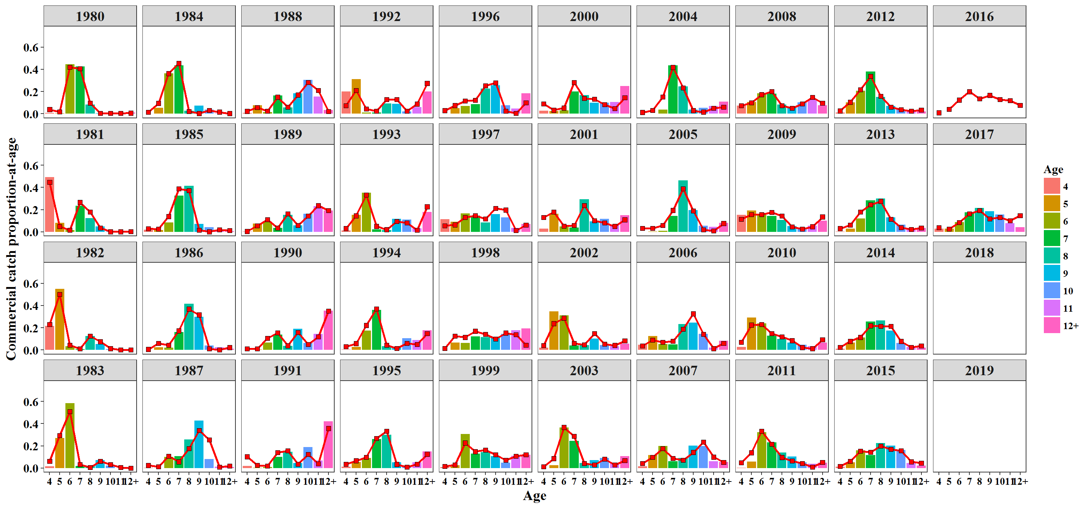
Year | Age | EST | OBS
1980 | 10 | 0.00579656 | 0.00939
1980 | 11 | 0.00561982 | 0.00535
1980 | 12+ | 0.00661706 | 0.01162
1980 | 4 | 0.038885 | 0.00851
1980 | 5 | 0.0173307 | 0.00576
1980 | 6 | 0.418277 | 0.4451
1980 | 7 | 0.405374 | 0.42655
1980 | 8 | 0.0964796 | 0.08402
1980 | 9 | 0.00561982 | 0.00369
1981 | 10 | 0.00165122 | 0.00172
1981 | 11 | 0.00176336 | 0.00345
1981 | 12+ | 0.00376058 | 0.00079
1981 | 4 | 0.44614 | 0.49296
1981 | 5 | 0.0496888 | 0.08019
1981 | 6 | 0.0169784 | 0.0156
1981 | 7 | 0.265596 | 0.23331
1981 | 8 | 0.178501 | 0.12408
1981 | 9 | 0.0359205 | 0.0479
1982 | 10 | 0.0129013 | 0.00862
1982 | 11 | 0.000581639 | 0.00196
1982 | 12+ | 0.00190831 | 0.00147
1982 | 4 | 0.229306 | 0.21655
1982 | 5 | 0.5004 | 0.55116
1982 | 6 | 0.0439899 | 0.03374
1982 | 7 | 0.0107255 | 0.00833
1982 | 8 | 0.12513 | 0.12433
1982 | 9 | 0.0750584 | 0.05385
1983 | 10 | 0.0317519 | 0.02296
1983 | 11 | 0.00526469 | 0
1983 | 12+ | 0.000757811 | 0
1983 | 4 | 0.0611871 | 0.01635
1983 | 5 | 0.293464 | 0.26905
1983 | 6 | 0.508006 | 0.58316
1983 | 7 | 0.0320121 | 0.01878
1983 | 8 | 0.00599716 | 0.01825
1983 | 9 | 0.061559 | 0.07145
1984 | 10 | 0.0311969 | 0.03704
1984 | 11 | 0.0162156 | 0.00524
1984 | 12+ | 0.00300707 | 0
1984 | 4 | 0.013739 | 0.00233
1984 | 5 | 0.0945328 | 0.05519
1984 | 6 | 0.362508 | 0.36501
1984 | 7 | 0.45379 | 0.43493
1984 | 8 | 0.0215536 | 0.02603
1984 | 9 | 0.00345682 | 0.07423
1985 | 10 | 0.00161864 | 0.04199
1985 | 11 | 0.0195971 | 0.01607
1985 | 12+ | 0.0120255 | 0.00551
1985 | 4 | 0.0279892 | 0.01799
1985 | 5 | 0.0249473 | 0.01771
1985 | 6 | 0.138654 | 0.08436
1985 | 7 | 0.388764 | 0.32775
1985 | 8 | 0.370842 | 0.41542
1985 | 9 | 0.0155623 | 0.07322
1986 | 10 | 0.0111104 | 0.04197
1986 | 11 | 0.000976377 | 0.02519
1986 | 12+ | 0.0227119 | 0.01099
1986 | 4 | 0.00599262 | 0
1986 | 5 | 0.0591732 | 0.02284
1986 | 6 | 0.0426068 | 0.02064
1986 | 7 | 0.172967 | 0.16271
1986 | 8 | 0.36836 | 0.41657
1986 | 9 | 0.316101 | 0.2991
1987 | 10 | 0.253842 | 0.08235
1987 | 11 | 0.00868467 | 0.01242
1987 | 12+ | 0.0182975 | 0.00974
1987 | 4 | 0.024355 | 0.00235
1987 | 5 | 0.0134582 | 0.00103
1987 | 6 | 0.107723 | 0.10151
1987 | 7 | 0.0570081 | 0.10725
1987 | 8 | 0.176895 | 0.25663
1987 | 9 | 0.339736 | 0.42671
1988 | 10 | 0.283368 | 0.30551
1988 | 11 | 0.209976 | 0.15433
1988 | 12+ | 0.0216785 | 0.03304
1988 | 4 | 0.0229073 | 0.00946
1988 | 5 | 0.0568125 | 0.07561
1988 | 6 | 0.0254514 | 0.01574
1988 | 7 | 0.149773 | 0.16535
1988 | 8 | 0.0604967 | 0.05827
1988 | 9 | 0.169537 | 0.1827
1989 | 10 | 0.1436 | 0.16243
1989 | 11 | 0.236548 | 0.23076
1989 | 12+ | 0.192222 | 0.19188
1989 | 4 | 0.0047166 | 0.0015
1989 | 5 | 0.0546214 | 0.07555
1989 | 6 | 0.109838 | 0.08775
1989 | 7 | 0.0362409 | 0.0361
1989 | 8 | 0.162898 | 0.15441
1989 | 9 | 0.0593146 | 0.05962
1990 | 10 | 0.0498939 | 0.06395
1990 | 11 | 0.119537 | 0.14377
1990 | 12+ | 0.350747 | 0.35295
1990 | 4 | 0.0119468 | 0.0008
1990 | 5 | 0.0111769 | 0.00529
1990 | 6 | 0.104902 | 0.06611
1990 | 7 | 0.154839 | 0.13857
1990 | 8 | 0.0389407 | 0.03766
1990 | 9 | 0.158018 | 0.19089
1991 | 10 | 0.124369 | 0.18763
1991 | 11 | 0.0387362 | 0.06863
1991 | 12+ | 0.357211 | 0.42094
1991 | 4 | 0.102436 | 0.02024
1991 | 5 | 0.0265922 | 0.00196
1991 | 6 | 0.0201446 | 0.00836
1991 | 7 | 0.138776 | 0.10201
1991 | 8 | 0.156376 | 0.14502
1991 | 9 | 0.0353583 | 0.04521
1992 | 10 | 0.0251736 | 0.0219
1992 | 11 | 0.0882222 | 0.06056
1992 | 12+ | 0.273888 | 0.20175
1992 | 4 | 0.0740484 | 0.19907
1992 | 5 | 0.21157 | 0.31139
1992 | 6 | 0.0444194 | 0.01238
1992 | 7 | 0.0246312 | 0.01033
1992 | 8 | 0.128636 | 0.0914
1992 | 9 | 0.129411 | 0.09123
1993 | 10 | 0.0814992 | 0.11157
1993 | 11 | 0.0159669 | 0.03157
1993 | 12+ | 0.226777 | 0.18072
1993 | 4 | 0.0307763 | 0.01159
1993 | 5 | 0.145336 | 0.1537
1993 | 6 | 0.333606 | 0.35298
1993 | 7 | 0.0507475 | 0.02413
1993 | 8 | 0.0206728 | 0.0152
1993 | 9 | 0.0946182 | 0.11854
1994 | 10 | 0.0598859 | 0.1069
1994 | 11 | 0.0508824 | 0.0907
1994 | 12+ | 0.149383 | 0.178
1994 | 4 | 0.0318113 | 0.0045
1994 | 5 | 0.0582549 | 0.0284
1994 | 6 | 0.221669 | 0.1736
1994 | 7 | 0.370209 | 0.3602
1994 | 8 | 0.0425906 | 0.034
1994 | 9 | 0.0153139 | 0.0236
1995 | 10 | 0.0082753 | 0.021
1995 | 11 | 0.036137 | 0.052
1995 | 12+ | 0.125017 | 0.1511
1995 | 4 | 0.0344061 | 0.012
1995 | 5 | 0.0662979 | 0.055
1995 | 6 | 0.0973392 | 0.092
1995 | 7 | 0.266693 | 0.26
1995 | 8 | 0.332175 | 0.301
1995 | 9 | 0.033659 | 0.053
1996 | 10 | 0.0235635 | 0.076
1996 | 11 | 0.00447143 | 0.046
1996 | 12+ | 0.098276 | 0.184
1996 | 4 | 0.0292201 | 0.003
1996 | 5 | 0.0747606 | 0.05
1996 | 6 | 0.115661 | 0.07
1996 | 7 | 0.122929 | 0.088
1996 | 8 | 0.253001 | 0.227
1996 | 9 | 0.278117 | 0.255
1997 | 10 | 0.197461 | 0.13
1997 | 11 | 0.0137995 | 0.036
1997 | 12+ | 0.0619085 | 0.07
1997 | 4 | 0.0559415 | 0.1141
1997 | 5 | 0.0635453 | 0.091
1997 | 6 | 0.130681 | 0.167
1997 | 7 | 0.146494 | 0.148
1997 | 8 | 0.117049 | 0.086
1997 | 9 | 0.213121 | 0.16
1998 | 10 | 0.1527 | 0.146
1998 | 11 | 0.139338 | 0.179
1998 | 12+ | 0.0448604 | 0.194
1998 | 4 | 0.0133665 | 0.001
1998 | 5 | 0.125317 | 0.068
1998 | 6 | 0.114075 | 0.063
1998 | 7 | 0.169008 | 0.121
1998 | 8 | 0.141383 | 0.115
1998 | 9 | 0.0999513 | 0.113
1999 | 10 | 0.0710376 | 0.048
1999 | 11 | 0.108275 | 0.11
1999 | 12+ | 0.11993 | 0.121
1999 | 4 | 0.0151975 | 0.01
1999 | 5 | 0.0300532 | 0.025
1999 | 6 | 0.225975 | 0.307
1999 | 7 | 0.148166 | 0.129
1999 | 8 | 0.161939 | 0.144
1999 | 9 | 0.119428 | 0.107
2000 | 10 | 0.0819607 | 0.098
2000 | 11 | 0.047087 | 0.107
2000 | 12+ | 0.144126 | 0.248
2000 | 4 | 0.0900425 | 0.029
2000 | 5 | 0.0329113 | 0.023
2000 | 6 | 0.0521687 | 0.03
2000 | 7 | 0.282313 | 0.199
2000 | 8 | 0.137894 | 0.168
2000 | 9 | 0.131497 | 0.1
2001 | 10 | 0.0811954 | 0.116
2001 | 11 | 0.0503042 | 0.066
2001 | 12+ | 0.109131 | 0.15
2001 | 4 | 0.129642 | 0.029
2001 | 5 | 0.178793 | 0.164
2001 | 6 | 0.05236 | 0.05
2001 | 7 | 0.0596656 | 0.04
2001 | 8 | 0.238152 | 0.292
2001 | 9 | 0.100758 | 0.094
2002 | 10 | 0.0546653 | 0.044
2002 | 11 | 0.0419682 | 0.035
2002 | 12+ | 0.0841139 | 0.056
2002 | 4 | 0.0412565 | 0.02
2002 | 5 | 0.237724 | 0.346
2002 | 6 | 0.287077 | 0.312
2002 | 7 | 0.0593136 | 0.04
2002 | 8 | 0.0469242 | 0.043
2002 | 9 | 0.146957 | 0.104
2003 | 10 | 0.0806807 | 0.092
2003 | 11 | 0.0292983 | 0.05
2003 | 12+ | 0.0685799 | 0.106
2003 | 4 | 0.0125477 | 0.001
2003 | 5 | 0.0858444 | 0.027
2003 | 6 | 0.366318 | 0.365
2003 | 7 | 0.286465 | 0.245
2003 | 8 | 0.0422875 | 0.044
2003 | 9 | 0.0279786 | 0.07
2004 | 10 | 0.016181 | 0.054
2004 | 11 | 0.0500615 | 0.071
2004 | 12+ | 0.060343 | 0.109
2004 | 4 | 0.0125912 | 0.001
2004 | 5 | 0.0299545 | 0.003
2004 | 6 | 0.151672 | 0.038
2004 | 7 | 0.418031 | 0.437
2004 | 8 | 0.232179 | 0.246
2004 | 9 | 0.0289869 | 0.036
2005 | 10 | 0.019641 | 0.05531
2005 | 11 | 0.00882129 | 0.04605
2005 | 12+ | 0.0764165 | 0.0812
2005 | 4 | 0.0318977 | 0.00136
2005 | 5 | 0.0334004 | 0.00409
2005 | 6 | 0.0588937 | 0.01008
2005 | 7 | 0.193802 | 0.14332
2005 | 8 | 0.388352 | 0.46185
2005 | 9 | 0.188775 | 0.19673
2006 | 10 | 0.140464 | 0.14365
2006 | 11 | 0.0130949 | 0.01988
2006 | 12+ | 0.0610675 | 0.08424
2006 | 4 | 0.0364747 | 0.04665
2006 | 5 | 0.0889456 | 0.12457
2006 | 6 | 0.068888 | 0.05195
2006 | 7 | 0.0786011 | 0.05062
2006 | 8 | 0.186422 | 0.23271
2006 | 9 | 0.326042 | 0.24516
2007 | 10 | 0.234374 | 0.19872
2007 | 11 | 0.099437 | 0.06099
2007 | 12+ | 0.051187 | 0.05411
2007 | 4 | 0.0413286 | 0.01574
2007 | 5 | 0.0980124 | 0.11559
2007 | 6 | 0.17527 | 0.19774
2007 | 7 | 0.0877241 | 0.06247
2007 | 8 | 0.0712094 | 0.09247
2007 | 9 | 0.141458 | 0.20216
2008 | 10 | 0.0887754 | 0.10312
2008 | 11 | 0.148544 | 0.12743
2008 | 12+ | 0.0964142 | 0.07721
2008 | 4 | 0.0721447 | 0.07364
2008 | 5 | 0.0985843 | 0.10568
2008 | 6 | 0.172856 | 0.18512
2008 | 7 | 0.199593 | 0.18028
2008 | 8 | 0.0722908 | 0.08364
2008 | 9 | 0.0507975 | 0.06244
2009 | 10 | 0.0266142 | 0.03942
2009 | 11 | 0.0470758 | 0.05643
2009 | 12+ | 0.135156 | 0.10041
2009 | 4 | 0.113661 | 0.15302
2009 | 5 | 0.15665 | 0.19276
2009 | 6 | 0.157468 | 0.15252
2009 | 7 | 0.17521 | 0.14288
2009 | 8 | 0.143754 | 0.10778
2009 | 9 | 0.0444097 | 0.05102
2010 | 10 | 0.0225397 | 0.04555
2010 | 11 | 0.0125124 | 0.0327
2010 | 12+ | 0.0917062 | 0.06756
2010 | 4 | 0.068885 | 0.02741
2010 | 5 | 0.224588 | 0.2926
2010 | 6 | 0.228653 | 0.23837
2010 | 7 | 0.148181 | 0.12809
2010 | 8 | 0.118325 | 0.10011
2010 | 9 | 0.0846095 | 0.0676
2011 | 10 | 0.0426086 | 0.05265
2011 | 11 | 0.0100216 | 0.03962
2011 | 12+ | 0.051273 | 0.04771
2011 | 4 | 0.0490434 | 0.00133
2011 | 5 | 0.138459 | 0.05694
2011 | 6 | 0.331927 | 0.32392
2011 | 7 | 0.215435 | 0.23158
2011 | 8 | 0.0958355 | 0.1412
2011 | 9 | 0.0653966 | 0.10504
2012 | 10 | 0.0373028 | 0.03831
2012 | 11 | 0.0239594 | 0.01987
2012 | 12+ | 0.0336452 | 0.02065
2012 | 4 | 0.0262743 | 0.01022
2012 | 5 | 0.104522 | 0.10275
2012 | 6 | 0.218075 | 0.20557
2012 | 7 | 0.337666 | 0.37861
2012 | 8 | 0.157895 | 0.15311
2012 | 9 | 0.0606606 | 0.07043
2013 | 10 | 0.0385374 | 0.06552
2013 | 11 | 0.023306 | 0.02893
2013 | 12+ | 0.0357367 | 0.03578
2013 | 4 | 0.0307642 | 0.00268
2013 | 5 | 0.0606359 | 0.02991
2013 | 6 | 0.179046 | 0.12162
2013 | 7 | 0.243461 | 0.28362
2013 | 8 | 0.275239 | 0.30145
2013 | 9 | 0.113274 | 0.13047
2014 | 10 | 0.0779822 | 0.06416
2014 | 11 | 0.0242909 | 0.0286
2014 | 12+ | 0.0379764 | 0.02076
2014 | 4 | 0.0232857 | 0.01071
2014 | 5 | 0.0783002 | 0.06764
2014 | 6 | 0.114217 | 0.11257
2014 | 7 | 0.218367 | 0.25541
2014 | 8 | 0.213101 | 0.26611
2014 | 9 | 0.212479 | 0.17402
2015 | 10 | 0.157088 | 0.16195
2015 | 11 | 0.0568085 | 0.04669
2015 | 12+ | 0.0448257 | 0.02193
2015 | 4 | 0.0153465 | 0.01176
2015 | 5 | 0.0617334 | 0.05249
2015 | 6 | 0.153337 | 0.15952
2015 | 7 | 0.143608 | 0.11734
2015 | 8 | 0.198281 | 0.22619
2015 | 9 | 0.168971 | 0.20211
2016 | 10 | 0.129195
2016 | 11 | 0.118598
2016 | 12+ | 0.0754488
2016 | 4 | 0.00982105
2016 | 5 | 0.0418323
2016 | 6 | 0.12431
2016 | 7 | 0.199358
2016 | 8 | 0.135309
2016 | 9 | 0.166128
2017 | 10 | 0.130549 | 0.1556
2017 | 11 | 0.100178 | 0.07893
2017 | 12+ | 0.147677 | 0.04226
2017 | 4 | 0.0383854 | 0.02819
2017 | 5 | 0.0268726 | 0.02755
2017 | 6 | 0.0847905 | 0.08891
2017 | 7 | 0.16369 | 0.17706
2017 | 8 | 0.191661 | 0.21552
2017 | 9 | 0.116196 | 0.18599
2016 | 4
2017 | 4
2018 | 4
2019 | 4

Figure 7
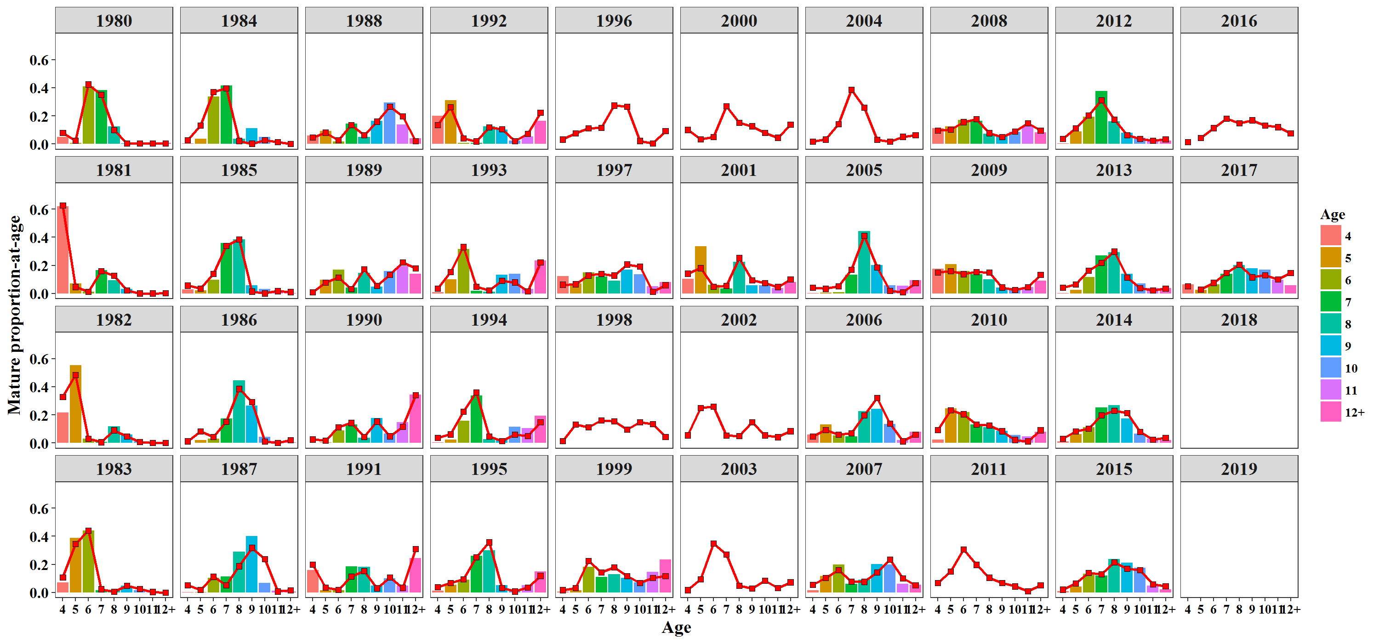
Year | Age | EST | OBS
1980 | 10 | 0.00527286 | 0.0033
1980 | 11 | 0.00511208 | 0.00439
1980 | 12+ | 0.00601922 | 0.00738
1980 | 4 | 0.0791209 | 0.05064
1980 | 5 | 0.0239084 | 0.00867
1980 | 6 | 0.424061 | 0.4107
1980 | 7 | 0.351945 | 0.38491
1980 | 8 | 0.0994483 | 0.12455
1980 | 9 | 0.00511208 | 0.00546
1981 | 10 | 0.0010378 | 0.00055
1981 | 11 | 0.00110828 | 0.00243
1981 | 12+ | 0.00236354 | 0.00019
1981 | 4 | 0.627212 | 0.61856
1981 | 5 | 0.0473617 | 0.07119
1981 | 6 | 0.0118931 | 0.01162
1981 | 7 | 0.159321 | 0.16727
1981 | 8 | 0.127127 | 0.09441
1981 | 9 | 0.0225762 | 0.03378
1982 | 10 | 0.00825257 | 0.00955
1982 | 11 | 0.000372056 | 0.00198
1982 | 12+ | 0.00122068 | 0.00153
1982 | 4 | 0.328098 | 0.21626
1982 | 5 | 0.485436 | 0.55225
1982 | 6 | 0.0313615 | 0.03052
1982 | 7 | 0.00654808 | 0.0088
1982 | 8 | 0.090699 | 0.11906
1982 | 9 | 0.0480124 | 0.06005
1983 | 10 | 0.0247137 | 0.01563
1983 | 11 | 0.00409771 | 0.00253
1983 | 12+ | 0.000589833 | 0.00094
1983 | 4 | 0.106528 | 0.07018
1983 | 5 | 0.346405 | 0.38823
1983 | 6 | 0.440683 | 0.44052
1983 | 7 | 0.0237807 | 0.01587
1983 | 8 | 0.00528933 | 0.01657
1983 | 9 | 0.0479137 | 0.04953
1984 | 10 | 0.0286333 | 0.0515
1984 | 11 | 0.0148831 | 0.00204
1984 | 12+ | 0.00275997 | 0.00002
1984 | 4 | 0.0282066 | 0.00522
1984 | 5 | 0.131584 | 0.0387
1984 | 6 | 0.370824 | 0.33761
1984 | 7 | 0.397519 | 0.41499
1984 | 8 | 0.0224165 | 0.03735
1984 | 9 | 0.00317277 | 0.11258
1985 | 10 | 0.00147815 | 0.03214
1985 | 11 | 0.0178962 | 0.01158
1985 | 12+ | 0.0109818 | 0.00188
1985 | 4 | 0.0571733 | 0.03056
1985 | 5 | 0.0345503 | 0.02389
1985 | 6 | 0.141121 | 0.09772
1985 | 7 | 0.338842 | 0.35921
1985 | 8 | 0.383746 | 0.38539
1985 | 9 | 0.0142116 | 0.05762
1986 | 10 | 0.0102493 | 0.04515
1986 | 11 | 0.000900698 | 0.01303
1986 | 12+ | 0.0209515 | 0.005
1986 | 4 | 0.0123655 | 0
1986 | 5 | 0.0827842 | 0.02007
1986 | 6 | 0.0438056 | 0.02978
1986 | 7 | 0.152289 | 0.1745
1986 | 8 | 0.385054 | 0.44612
1986 | 9 | 0.291601 | 0.26634
1987 | 10 | 0.237154 | 0.06676
1987 | 11 | 0.00811373 | 0.01147
1987 | 12+ | 0.0170946 | 0.0058
1987 | 4 | 0.0508968 | 0.00224
1987 | 5 | 0.0190684 | 0.00411
1987 | 6 | 0.112167 | 0.10363
1987 | 7 | 0.0508331 | 0.11413
1987 | 8 | 0.187271 | 0.28996
1987 | 9 | 0.317402 | 0.40189
1988 | 10 | 0.266869 | 0.29443
1988 | 11 | 0.19775 | 0.13703
1988 | 12+ | 0.0204162 | 0.03958
1988 | 4 | 0.0482565 | 0.05897
1988 | 5 | 0.0811431 | 0.09228
1988 | 6 | 0.0267146 | 0.01728
1988 | 7 | 0.134624 | 0.14664
1988 | 8 | 0.0645604 | 0.05055
1988 | 9 | 0.159666 | 0.16324
1989 | 10 | 0.134625 | 0.16013
1989 | 11 | 0.221764 | 0.19524
1989 | 12+ | 0.180209 | 0.1399
1989 | 4 | 0.00989088 | 0.00091
1989 | 5 | 0.0776595 | 0.09622
1989 | 6 | 0.114766 | 0.16884
1989 | 7 | 0.0324275 | 0.04128
1989 | 8 | 0.173051 | 0.1482
1989 | 9 | 0.0556074 | 0.04926
1990 | 10 | 0.0484081 | 0.06511
1990 | 11 | 0.115977 | 0.14819
1990 | 12+ | 0.340303 | 0.34462
1990 | 4 | 0.0259272 | 0.00189
1990 | 5 | 0.0164458 | 0.00532
1990 | 6 | 0.113434 | 0.08946
1990 | 7 | 0.143381 | 0.13213
1990 | 8 | 0.0428116 | 0.03683
1990 | 9 | 0.153312 | 0.17645
1991 | 10 | 0.107471 | 0.102
1991 | 11 | 0.033473 | 0.047
1991 | 12+ | 0.308676 | 0.243
1991 | 4 | 0.198 | 0.161
1991 | 5 | 0.0348492 | 0.015
1991 | 6 | 0.019401 | 0.016
1991 | 7 | 0.114455 | 0.184
1991 | 8 | 0.153121 | 0.182
1991 | 9 | 0.0305541 | 0.05
1992 | 10 | 0.0206008 | 0.026
1992 | 11 | 0.0721969 | 0.054
1992 | 12+ | 0.224137 | 0.166
1992 | 4 | 0.135547 | 0.201
1992 | 5 | 0.262576 | 0.31
1992 | 6 | 0.0405137 | 0.008
1992 | 7 | 0.0192384 | 0.009
1992 | 8 | 0.119286 | 0.124
1992 | 9 | 0.105903 | 0.102
1993 | 10 | 0.0794729 | 0.14
1993 | 11 | 0.0155699 | 0.033
1993 | 12+ | 0.221138 | 0.236
1993 | 4 | 0.0349818 | 0.01
1993 | 5 | 0.153362 | 0.102
1993 | 6 | 0.331369 | 0.316
1993 | 7 | 0.0489974 | 0.018
1993 | 8 | 0.022843 | 0.012
1993 | 9 | 0.0922657 | 0.132
1994 | 10 | 0.0589313 | 0.116
1994 | 11 | 0.0500713 | 0.107
1994 | 12+ | 0.147001 | 0.193
1994 | 4 | 0.0364891 | 0.003
1994 | 5 | 0.0620344 | 0.025
1994 | 6 | 0.222198 | 0.159
1994 | 7 | 0.360713 | 0.338
1994 | 8 | 0.0474921 | 0.029
1994 | 9 | 0.0150698 | 0.03
1995 | 10 | 0.00784721 | 0.021
1995 | 11 | 0.0342676 | 0.052
1995 | 12+ | 0.11855 | 0.1511
1995 | 4 | 0.0380301 | 0.012
1995 | 5 | 0.0680316 | 0.055
1995 | 6 | 0.0940224 | 0.092
1995 | 7 | 0.250401 | 0.26
1995 | 8 | 0.356932 | 0.301
1995 | 9 | 0.0319178 | 0.053
1996 | 10 | 0.0225357
1996 | 11 | 0.0042764
1996 | 12+ | 0.0939894
1996 | 4 | 0.0325741
1996 | 5 | 0.0773719
1996 | 6 | 0.112676
1996 | 7 | 0.116407
1996 | 8 | 0.274183
1996 | 9 | 0.265986
1997 | 10 | 0.191513 | 0.138
1997 | 11 | 0.0133839 | 0.052
1997 | 12+ | 0.0600438 | 0.082
1997 | 4 | 0.0632428 | 0.1251
1997 | 5 | 0.0666929 | 0.07
1997 | 6 | 0.129104 | 0.149
1997 | 7 | 0.140679 | 0.12
1997 | 8 | 0.128639 | 0.091
1997 | 9 | 0.206701 | 0.171
1998 | 10 | 0.147995
1998 | 11 | 0.135046
1998 | 12+ | 0.0434783
1998 | 4 | 0.0151004
1998 | 5 | 0.131432
1998 | 6 | 0.112619
1998 | 7 | 0.162185
1998 | 8 | 0.155273
1998 | 9 | 0.096872
1999 | 10 | 0.0690159 | 0.071
1999 | 11 | 0.105193 | 0.145
1999 | 12+ | 0.116517 | 0.235
1999 | 4 | 0.0172105 | 0.005
1999 | 5 | 0.0315959 | 0.017
1999 | 6 | 0.223632 | 0.182
1999 | 7 | 0.142529 | 0.109
1999 | 8 | 0.178278 | 0.129
1999 | 9 | 0.116029 | 0.105
2000 | 10 | 0.0792532
2000 | 11 | 0.0455315
2000 | 12+ | 0.139365
2000 | 4 | 0.101489
2000 | 5 | 0.0344378
2000 | 6 | 0.0513846
2000 | 7 | 0.270293
2000 | 8 | 0.151092
2000 | 9 | 0.127153
2001 | 10 | 0.0760078 | 0.059
2001 | 11 | 0.0470902 | 0.039
2001 | 12+ | 0.102158 | 0.08
2001 | 4 | 0.141459 | 0.105
2001 | 5 | 0.181115 | 0.336
2001 | 6 | 0.0499272 | 0.062
2001 | 7 | 0.0553024 | 0.036
2001 | 8 | 0.25262 | 0.225
2001 | 9 | 0.0943203 | 0.059
2002 | 10 | 0.0550614
2002 | 11 | 0.0422723
2002 | 12+ | 0.0847235
2002 | 4 | 0.0555452
2002 | 5 | 0.250352
2002 | 6 | 0.26017
2002 | 7 | 0.0531905
2002 | 8 | 0.0506632
2002 | 9 | 0.148022
2003 | 10 | 0.0855547
2003 | 11 | 0.0310683
2003 | 12+ | 0.0727229
2003 | 4 | 0.0177851
2003 | 5 | 0.0951762
2003 | 6 | 0.349505
2003 | 7 | 0.270452
2003 | 8 | 0.0480669
2003 | 9 | 0.0296688
2004 | 10 | 0.0168334
2004 | 11 | 0.05208
2004 | 12+ | 0.062776
2004 | 4 | 0.0175086
2004 | 5 | 0.0325815
2004 | 6 | 0.141969
2004 | 7 | 0.387185
2004 | 8 | 0.25891
2004 | 9 | 0.0301557
2005 | 10 | 0.0193884 | 0.05751
2005 | 11 | 0.00870786 | 0.05427
2005 | 12+ | 0.0754339 | 0.09396
2005 | 4 | 0.0420879 | 0.00162
2005 | 5 | 0.0344725 | 0.00527
2005 | 6 | 0.0523082 | 0.00972
2005 | 7 | 0.170326 | 0.13244
2005 | 8 | 0.410928 | 0.44269
2005 | 9 | 0.186348 | 0.20251
2006 | 10 | 0.138496 | 0.13483
2006 | 11 | 0.0129115 | 0.02112
2006 | 12+ | 0.0602119 | 0.08045
2006 | 4 | 0.048071 | 0.0591
2006 | 5 | 0.0916937 | 0.13236
2006 | 6 | 0.0611136 | 0.05303
2006 | 7 | 0.0689993 | 0.04719
2006 | 8 | 0.197029 | 0.22787
2006 | 9 | 0.321474 | 0.24292
2007 | 10 | 0.235243 | 0.19872
2007 | 11 | 0.0998057 | 0.06099
2007 | 12+ | 0.0513768 | 0.05411
2007 | 4 | 0.0554469 | 0.01574
2007 | 5 | 0.102856 | 0.11559
2007 | 6 | 0.158284 | 0.19774
2007 | 7 | 0.0783917 | 0.06247
2007 | 8 | 0.0766134 | 0.09247
2007 | 9 | 0.141983 | 0.20216
2008 | 10 | 0.0892435 | 0.08625
2008 | 11 | 0.149327 | 0.1273
2008 | 12+ | 0.0969226 | 0.0824
2008 | 4 | 0.0969408 | 0.11181
2008 | 5 | 0.103618 | 0.12569
2008 | 6 | 0.156347 | 0.17187
2008 | 7 | 0.178637 | 0.16475
2008 | 8 | 0.0778981 | 0.07444
2008 | 9 | 0.0510653 | 0.05341
2009 | 10 | 0.0260736 | 0.03747
2009 | 11 | 0.0461196 | 0.04689
2009 | 12+ | 0.132411 | 0.09131
2009 | 4 | 0.14884 | 0.17568
2009 | 5 | 0.160458 | 0.2073
2009 | 6 | 0.138804 | 0.15879
2009 | 7 | 0.152824 | 0.13536
2009 | 8 | 0.150962 | 0.10019
2009 | 9 | 0.0435077 | 0.04282
2010 | 10 | 0.0224779 | 0.05542
2010 | 11 | 0.0124781 | 0.04559
2010 | 12+ | 0.0914545 | 0.08065
2010 | 4 | 0.0918226 | 0.02504
2010 | 5 | 0.234172 | 0.24759
2010 | 6 | 0.205165 | 0.2185
2010 | 7 | 0.131566 | 0.13078
2010 | 8 | 0.126486 | 0.11098
2010 | 9 | 0.0843772 | 0.08546
2011 | 10 | 0.0437998
2011 | 11 | 0.0103018
2011 | 12+ | 0.0527065
2011 | 4 | 0.0673867
2011 | 5 | 0.148812
2011 | 6 | 0.307001
2011 | 7 | 0.197168
2011 | 8 | 0.105599
2011 | 9 | 0.0672249
2012 | 10 | 0.0386132 | 0.04464
2012 | 11 | 0.0248011 | 0.02313
2012 | 12+ | 0.0348272 | 0.02424
2012 | 4 | 0.0363534 | 0.00638
2012 | 5 | 0.113121 | 0.08815
2012 | 6 | 0.203106 | 0.19335
2012 | 7 | 0.311191 | 0.37846
2012 | 8 | 0.175196 | 0.16241
2012 | 9 | 0.0627916 | 0.07878
2013 | 10 | 0.0389952 | 0.07229
2013 | 11 | 0.0235829 | 0.03836
2013 | 12+ | 0.0361612 | 0.03946
2013 | 4 | 0.0416096 | 0.00199
2013 | 5 | 0.0641507 | 0.02543
2013 | 6 | 0.16301 | 0.11724
2013 | 7 | 0.219332 | 0.27221
2013 | 8 | 0.298538 | 0.29319
2013 | 9 | 0.11462 | 0.13985
2014 | 10 | 0.0786644 | 0.0665
2014 | 11 | 0.0245034 | 0.03005
2014 | 12+ | 0.0383086 | 0.02109
2014 | 4 | 0.0313971 | 0.01116
2014 | 5 | 0.0825824 | 0.06189
2014 | 6 | 0.103666 | 0.11094
2014 | 7 | 0.196116 | 0.25409
2014 | 8 | 0.230424 | 0.2701
2014 | 9 | 0.214338 | 0.17419
2015 | 10 | 0.158497 | 0.1749
2015 | 11 | 0.0573178 | 0.04977
2015 | 12+ | 0.0452276 | 0.02103
2015 | 4 | 0.0206968 | 0.00894
2015 | 5 | 0.0651237 | 0.04118
2015 | 6 | 0.139202 | 0.13389
2015 | 7 | 0.129003 | 0.11987
2015 | 8 | 0.214446 | 0.23922
2015 | 9 | 0.170486 | 0.21118
2016 | 10 | 0.131749
2016 | 11 | 0.120943
2016 | 12+ | 0.0769404
2016 | 4 | 0.0133868
2016 | 5 | 0.0446022
2016 | 6 | 0.114059
2016 | 7 | 0.181001
2016 | 8 | 0.147907
2016 | 9 | 0.169412
2017 | 10 | 0.130357 | 0.16795
2017 | 11 | 0.10003 | 0.09866
2017 | 12+ | 0.147459 | 0.05803
2017 | 4 | 0.0512323 | 0.0643
2017 | 5 | 0.0280551 | 0.02481
2017 | 6 | 0.0761779 | 0.06601
2017 | 7 | 0.145521 | 0.13929
2017 | 8 | 0.205141 | 0.20231
2017 | 9 | 0.116025 | 0.17864
2016 | 4
2017 | 4
2018 | 4
2019 | 4

Figure 8
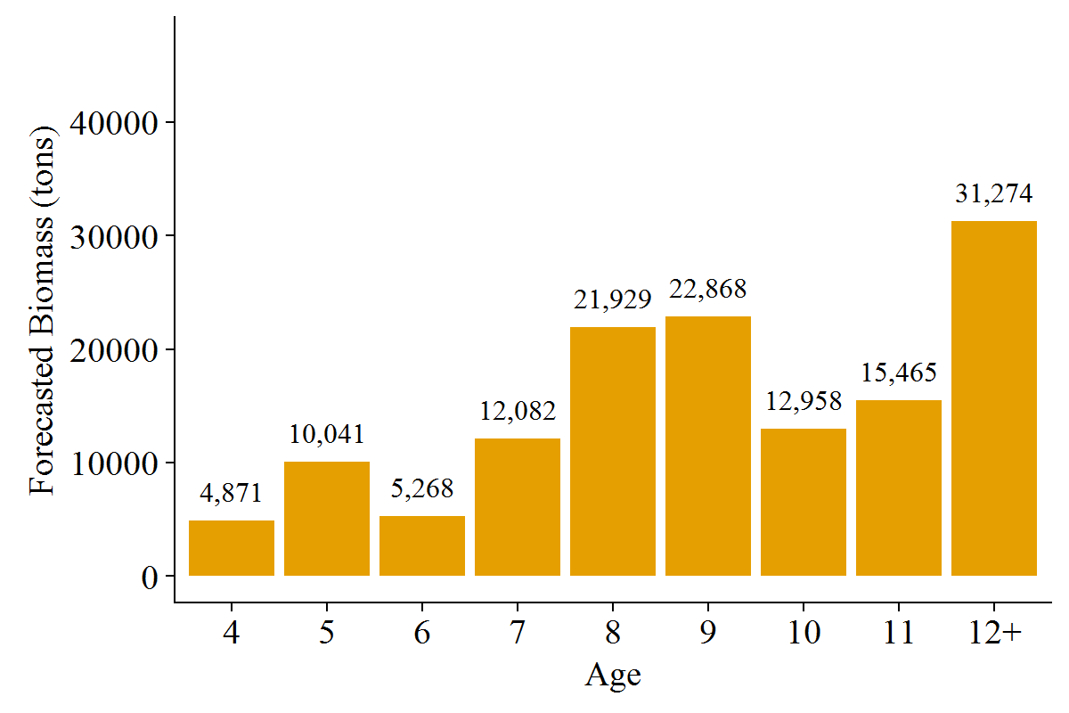
Age2 | for_mat_baa_st | for_mat_b_prop
4 | 4871 | 0.0356184
5 | 10041 | 0.0734235
6 | 5268 | 0.0385179
7 | 12082 | 0.0883484
8 | 21929 | 0.160348
9 | 22868 | 0.167216
10 | 12958 | 0.0947552
11 | 15465 | 0.113086
12+ | 31274 | 0.228687

Figure 9
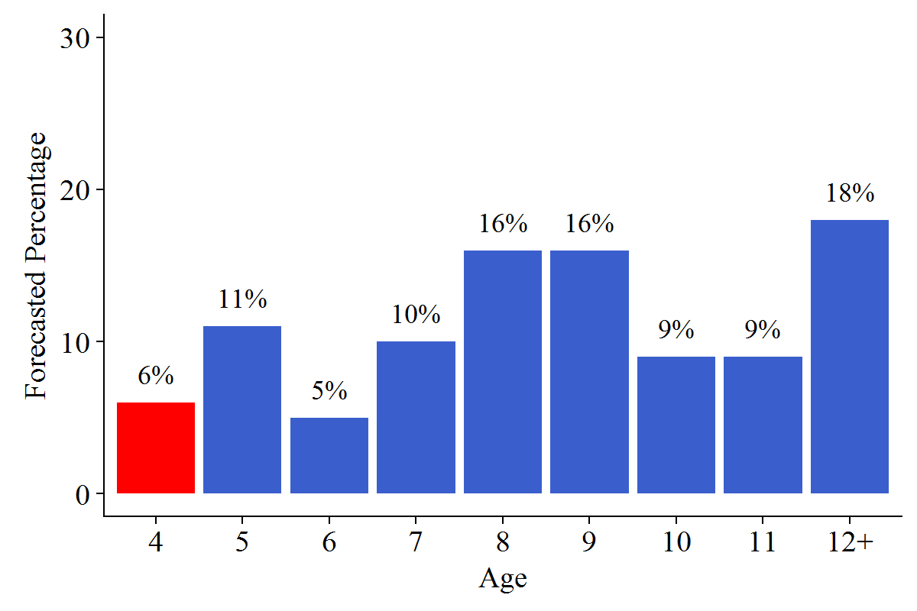
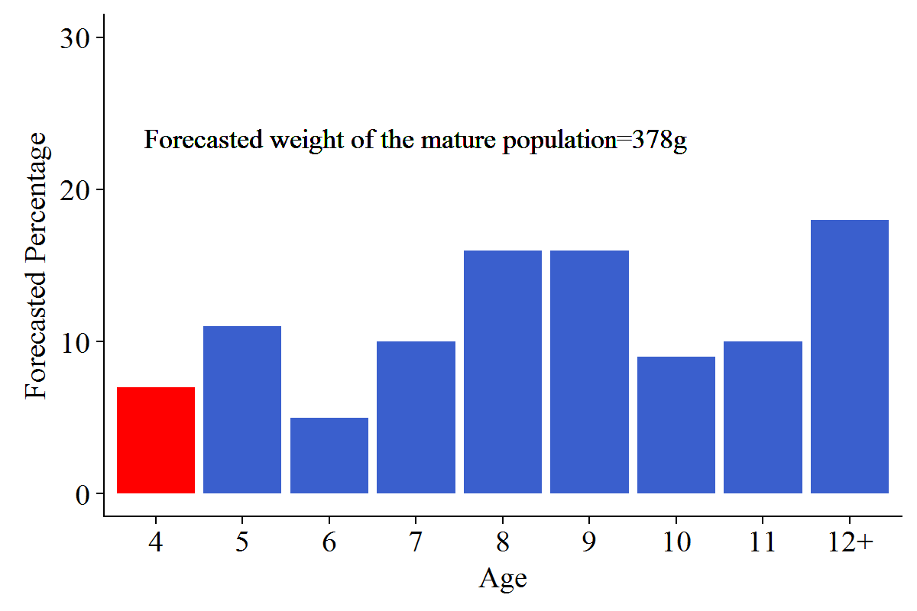
Age2 | for_mat_prop | Percentage2
4 | 0.0651659 | 0.07
5 | 0.107627 | 0.11
6 | 0.0479031 | 0.05
7 | 0.0965579 | 0.1
8 | 0.162473 | 0.16
9 | 0.157382 | 0.16
10 | 0.0864797 | 0.09
11 | 0.0962535 | 0.1
12+ | 0.180158 | 0.18

Figure 10
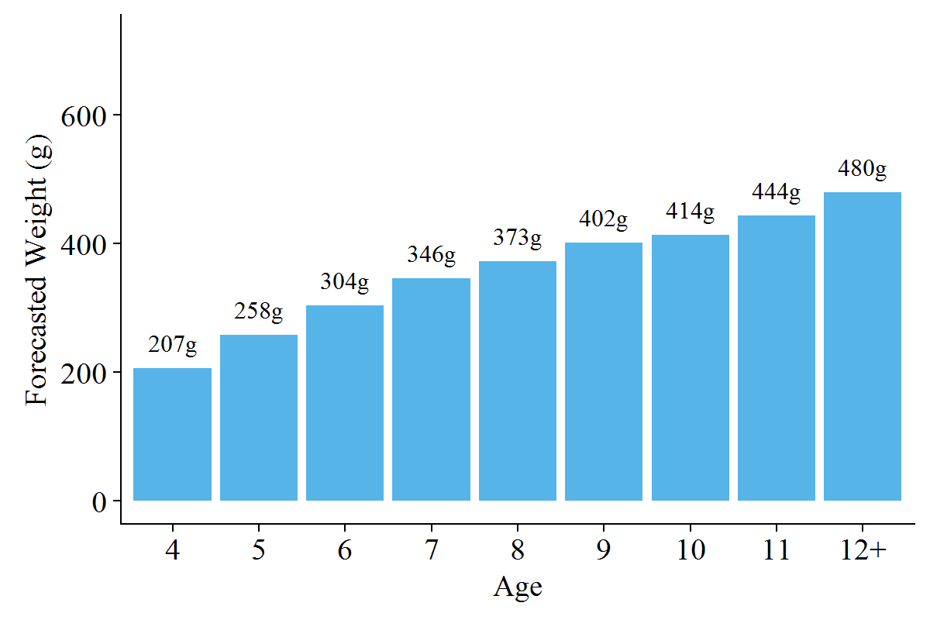
Age2 | fw_a_a
4 | 207
5 | 258
6 | 304
7 | 346
8 | 373
9 | 402
10 | 414
11 | 444
12+ | 480

Figure 11
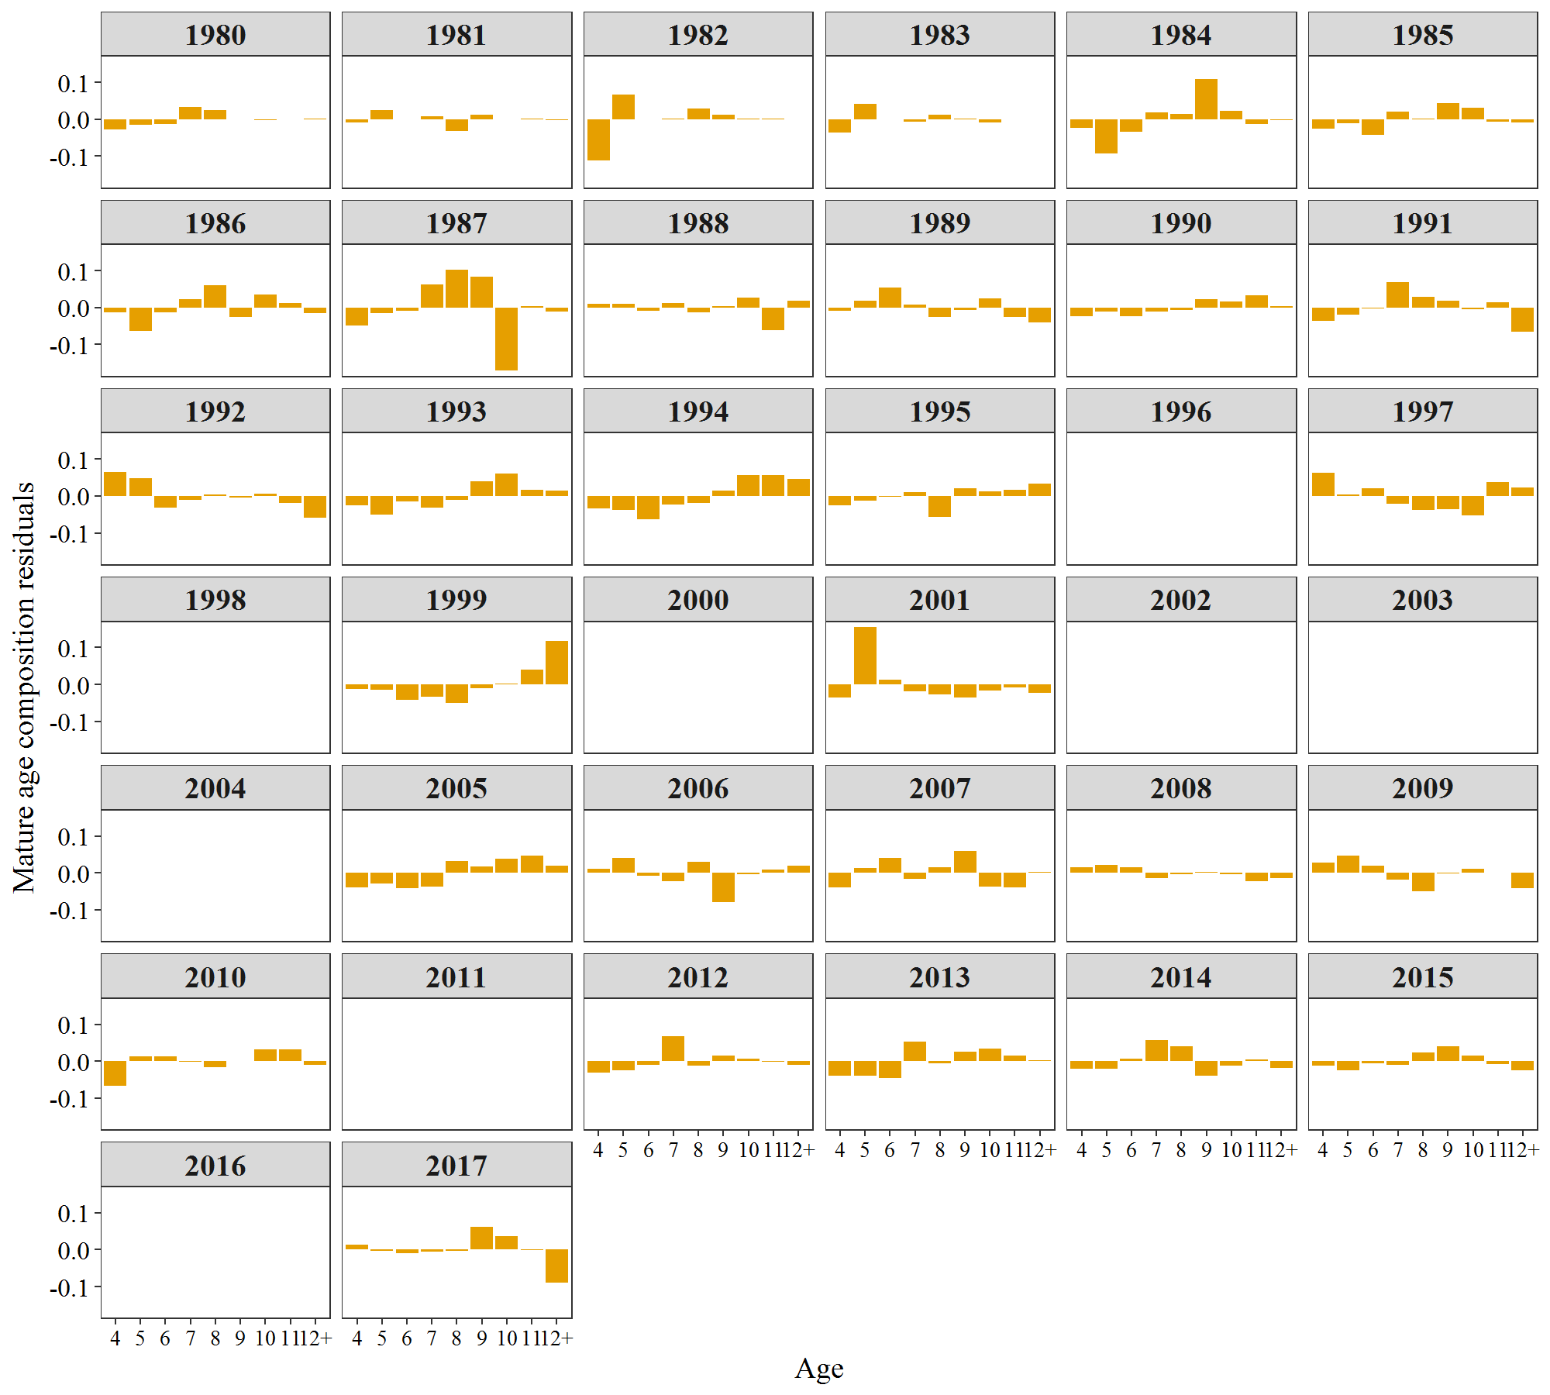
Year | Age | FREQ | Variable
1980 | 4 | -0.0285 | Estimated
1981 | 4 | -0.0087 | Estimated
1982 | 4 | -0.1118 | Estimated
1983 | 4 | -0.0363 | Estimated
1984 | 4 | -0.023 | Estimated
1985 | 4 | -0.0266 | Estimated
1986 | 4 | -0.0124 | Estimated
1987 | 4 | -0.0487 | Estimated
1988 | 4 | 0.0107 | Estimated
1989 | 4 | -0.009 | Estimated
1990 | 4 | -0.024 | Estimated
1991 | 4 | -0.037 | Estimated
1992 | 4 | 0.0655 | Estimated
1993 | 4 | -0.025 | Estimated
1994 | 4 | -0.0335 | Estimated
1995 | 4 | -0.026 | Estimated
1996 | 4 | 0 | Estimated
1997 | 4 | 0.0619 | Estimated
1998 | 4 | 0 | Estimated
1999 | 4 | -0.0122 | Estimated
2000 | 4 | 0 | Estimated
2001 | 4 | -0.0365 | Estimated
2002 | 4 | 0 | Estimated
2003 | 4 | 0 | Estimated
2004 | 4 | 0 | Estimated
2005 | 4 | -0.0405 | Estimated
2006 | 4 | 0.011 | Estimated
2007 | 4 | -0.0397 | Estimated
2008 | 4 | 0.0149 | Estimated
2009 | 4 | 0.0268 | Estimated
2010 | 4 | -0.0668 | Estimated
2011 | 4 | 0 | Estimated
2012 | 4 | -0.03 | Estimated
2013 | 4 | -0.0396 | Estimated
2014 | 4 | -0.0202 | Estimated
2015 | 4 | -0.0118 | Estimated
2016 | 4 | 0 | Estimated
2017 | 4 | 0.0131 | Estimated
1980 | 5 | -0.0152 | Estimated
1981 | 5 | 0.0238 | Estimated
1982 | 5 | 0.0668 | Estimated
1983 | 5 | 0.0418 | Estimated
1984 | 5 | -0.0929 | Estimated
1985 | 5 | -0.0107 | Estimated
1986 | 5 | -0.0627 | Estimated
1987 | 5 | -0.015 | Estimated
1988 | 5 | 0.0111 | Estimated
1989 | 5 | 0.0186 | Estimated
1990 | 5 | -0.0111 | Estimated
1991 | 5 | -0.0198 | Estimated
1992 | 5 | 0.0474 | Estimated
1993 | 5 | -0.0514 | Estimated
1994 | 5 | -0.037 | Estimated
1995 | 5 | -0.013 | Estimated
1996 | 5 | 0 | Estimated
1997 | 5 | 0.0033 | Estimated
1998 | 5 | 0 | Estimated
1999 | 5 | -0.0146 | Estimated
2000 | 5 | 0 | Estimated
2001 | 5 | 0.1549 | Estimated
2002 | 5 | 0 | Estimated
2003 | 5 | 0 | Estimated
2004 | 5 | 0 | Estimated
2005 | 5 | -0.0292 | Estimated
2006 | 5 | 0.0407 | Estimated
2007 | 5 | 0.0127 | Estimated
2008 | 5 | 0.0221 | Estimated
2009 | 5 | 0.0468 | Estimated
2010 | 5 | 0.0134 | Estimated
2011 | 5 | 0 | Estimated
2012 | 5 | -0.025 | Estimated
2013 | 5 | -0.0387 | Estimated
2014 | 5 | -0.0207 | Estimated
2015 | 5 | -0.0239 | Estimated
2016 | 5 | 0 | Estimated
2017 | 5 | -0.0032 | Estimated
1980 | 6 | -0.0134 | Estimated
1981 | 6 | -0.0003 | Estimated
1982 | 6 | -0.0008 | Estimated
1983 | 6 | -0.0002 | Estimated
1984 | 6 | -0.0332 | Estimated
1985 | 6 | -0.0434 | Estimated
1986 | 6 | -0.014 | Estimated
1987 | 6 | -0.0085 | Estimated
1988 | 6 | -0.0094 | Estimated
1989 | 6 | 0.0541 | Estimated
1990 | 6 | -0.024 | Estimated
1991 | 6 | -0.0034 | Estimated
1992 | 6 | -0.0325 | Estimated
1993 | 6 | -0.0154 | Estimated
1994 | 6 | -0.0632 | Estimated
1995 | 6 | -0.002 | Estimated
1996 | 6 | 0 | Estimated
1997 | 6 | 0.0199 | Estimated
1998 | 6 | 0 | Estimated
1999 | 6 | -0.0416 | Estimated
2000 | 6 | 0 | Estimated
2001 | 6 | 0.0121 | Estimated
2002 | 6 | 0 | Estimated
2003 | 6 | 0 | Estimated
2004 | 6 | 0 | Estimated
2005 | 6 | -0.0426 | Estimated
2006 | 6 | -0.0081 | Estimated
2007 | 6 | 0.0395 | Estimated
2008 | 6 | 0.0155 | Estimated
2009 | 6 | 0.02 | Estimated
2010 | 6 | 0.0133 | Estimated
2011 | 6 | 0 | Estimated
2012 | 6 | -0.0098 | Estimated
2013 | 6 | -0.0458 | Estimated
2014 | 6 | 0.0073 | Estimated
2015 | 6 | -0.0053 | Estimated
2016 | 6 | 0 | Estimated
2017 | 6 | -0.0102 | Estimated
1980 | 7 | 0.033 | Estimated
1981 | 7 | 0.0079 | Estimated
1982 | 7 | 0.0023 | Estimated
1983 | 7 | -0.0079 | Estimated
1984 | 7 | 0.0175 | Estimated
1985 | 7 | 0.0204 | Estimated
1986 | 7 | 0.0222 | Estimated
1987 | 7 | 0.0633 | Estimated
1988 | 7 | 0.012 | Estimated
1989 | 7 | 0.0089 | Estimated
1990 | 7 | -0.0113 | Estimated
1991 | 7 | 0.0695 | Estimated
1992 | 7 | -0.0102 | Estimated
1993 | 7 | -0.031 | Estimated
1994 | 7 | -0.0227 | Estimated
1995 | 7 | 0.0096 | Estimated
1996 | 7 | 0 | Estimated
1997 | 7 | -0.0207 | Estimated
1998 | 7 | 0 | Estimated
1999 | 7 | -0.0335 | Estimated
2000 | 7 | 0 | Estimated
2001 | 7 | -0.0193 | Estimated
2002 | 7 | 0 | Estimated
2003 | 7 | 0 | Estimated
2004 | 7 | 0 | Estimated
2005 | 7 | -0.0379 | Estimated
2006 | 7 | -0.0218 | Estimated
2007 | 7 | -0.0159 | Estimated
2008 | 7 | -0.0139 | Estimated
2009 | 7 | -0.0175 | Estimated
2010 | 7 | -0.0008 | Estimated
2011 | 7 | 0 | Estimated
2012 | 7 | 0.0673 | Estimated
2013 | 7 | 0.0529 | Estimated
2014 | 7 | 0.058 | Estimated
2015 | 7 | -0.0091 | Estimated
2016 | 7 | 0 | Estimated
2017 | 7 | -0.0062 | Estimated
1980 | 8 | 0.0251 | Estimated
1981 | 8 | -0.0327 | Estimated
1982 | 8 | 0.0284 | Estimated
1983 | 8 | 0.0113 | Estimated
1984 | 8 | 0.0149 | Estimated
1985 | 8 | 0.0016 | Estimated
1986 | 8 | 0.0611 | Estimated
1987 | 8 | 0.1027 | Estimated
1988 | 8 | -0.014 | Estimated
1989 | 8 | -0.0249 | Estimated
1990 | 8 | -0.006 | Estimated
1991 | 8 | 0.0289 | Estimated
1992 | 8 | 0.0047 | Estimated
1993 | 8 | -0.0108 | Estimated
1994 | 8 | -0.0185 | Estimated
1995 | 8 | -0.0559 | Estimated
1996 | 8 | 0 | Estimated
1997 | 8 | -0.0376 | Estimated
1998 | 8 | 0 | Estimated
1999 | 8 | -0.0493 | Estimated
2000 | 8 | 0 | Estimated
2001 | 8 | -0.0276 | Estimated
2002 | 8 | 0 | Estimated
2003 | 8 | 0 | Estimated
2004 | 8 | 0 | Estimated
2005 | 8 | 0.0318 | Estimated
2006 | 8 | 0.0308 | Estimated
2007 | 8 | 0.0159 | Estimated
2008 | 8 | -0.0035 | Estimated
2009 | 8 | -0.0508 | Estimated
2010 | 8 | -0.0155 | Estimated
2011 | 8 | 0 | Estimated
2012 | 8 | -0.0128 | Estimated
2013 | 8 | -0.0053 | Estimated
2014 | 8 | 0.0397 | Estimated
2015 | 8 | 0.0248 | Estimated
2016 | 8 | 0 | Estimated
2017 | 8 | -0.0028 | Estimated
1980 | 9 | 0.0003 | Estimated
1981 | 9 | 0.0112 | Estimated
1982 | 9 | 0.012 | Estimated
1983 | 9 | 0.0016 | Estimated
1984 | 9 | 0.1094 | Estimated
1985 | 9 | 0.0434 | Estimated
1986 | 9 | -0.0253 | Estimated
1987 | 9 | 0.0845 | Estimated
1988 | 9 | 0.0036 | Estimated
1989 | 9 | -0.0063 | Estimated
1990 | 9 | 0.0231 | Estimated
1991 | 9 | 0.0194 | Estimated
1992 | 9 | -0.0039 | Estimated
1993 | 9 | 0.0397 | Estimated
1994 | 9 | 0.0149 | Estimated
1995 | 9 | 0.0211 | Estimated
1996 | 9 | 0 | Estimated
1997 | 9 | -0.0357 | Estimated
1998 | 9 | 0 | Estimated
1999 | 9 | -0.011 | Estimated
2000 | 9 | 0 | Estimated
2001 | 9 | -0.0353 | Estimated
2002 | 9 | 0 | Estimated
2003 | 9 | 0 | Estimated
2004 | 9 | 0 | Estimated
2005 | 9 | 0.0162 | Estimated
2006 | 9 | -0.0786 | Estimated
2007 | 9 | 0.0602 | Estimated
2008 | 9 | 0.0023 | Estimated
2009 | 9 | -0.0007 | Estimated
2010 | 9 | 0.0011 | Estimated
2011 | 9 | 0 | Estimated
2012 | 9 | 0.016 | Estimated
2013 | 9 | 0.0252 | Estimated
2014 | 9 | -0.0401 | Estimated
2015 | 9 | 0.0407 | Estimated
2016 | 9 | 0 | Estimated
2017 | 9 | 0.0626 | Estimated
1980 | 10 | -0.002 | Estimated
1981 | 10 | -0.0005 | Estimated
1982 | 10 | 0.0013 | Estimated
1983 | 10 | -0.0091 | Estimated
1984 | 10 | 0.0229 | Estimated
1985 | 10 | 0.0307 | Estimated
1986 | 10 | 0.0349 | Estimated
1987 | 10 | -0.1704 | Estimated
1988 | 10 | 0.0276 | Estimated
1989 | 10 | 0.0255 | Estimated
1990 | 10 | 0.0167 | Estimated
1991 | 10 | -0.0055 | Estimated
1992 | 10 | 0.0054 | Estimated
1993 | 10 | 0.0605 | Estimated
1994 | 10 | 0.0571 | Estimated
1995 | 10 | 0.0132 | Estimated
1996 | 10 | 0 | Estimated
1997 | 10 | -0.0535 | Estimated
1998 | 10 | 0 | Estimated
1999 | 10 | 0.002 | Estimated
2000 | 10 | 0 | Estimated
2001 | 10 | -0.017 | Estimated
2002 | 10 | 0 | Estimated
2003 | 10 | 0 | Estimated
2004 | 10 | 0 | Estimated
2005 | 10 | 0.0381 | Estimated
2006 | 10 | -0.0037 | Estimated
2007 | 10 | -0.0365 | Estimated
2008 | 10 | -0.003 | Estimated
2009 | 10 | 0.0114 | Estimated
2010 | 10 | 0.0329 | Estimated
2011 | 10 | 0 | Estimated
2012 | 10 | 0.006 | Estimated
2013 | 10 | 0.0333 | Estimated
2014 | 10 | -0.0122 | Estimated
2015 | 10 | 0.0164 | Estimated
2016 | 10 | 0 | Estimated
2017 | 10 | 0.0376 | Estimated
1980 | 11 | -0.0007 | Estimated
1981 | 11 | 0.0013 | Estimated
1982 | 11 | 0.0016 | Estimated
1983 | 11 | -0.0016 | Estimated
1984 | 11 | -0.0128 | Estimated
1985 | 11 | -0.0063 | Estimated
1986 | 11 | 0.0121 | Estimated
1987 | 11 | 0.0034 | Estimated
1988 | 11 | -0.0607 | Estimated
1989 | 11 | -0.0265 | Estimated
1990 | 11 | 0.0322 | Estimated
1991 | 11 | 0.0135 | Estimated
1992 | 11 | -0.0182 | Estimated
1993 | 11 | 0.0174 | Estimated
1994 | 11 | 0.0569 | Estimated
1995 | 11 | 0.0177 | Estimated
1996 | 11 | 0 | Estimated
1997 | 11 | 0.0386 | Estimated
1998 | 11 | 0 | Estimated
1999 | 11 | 0.0398 | Estimated
2000 | 11 | 0 | Estimated
2001 | 11 | -0.0081 | Estimated
2002 | 11 | 0 | Estimated
2003 | 11 | 0 | Estimated
2004 | 11 | 0 | Estimated
2005 | 11 | 0.0456 | Estimated
2006 | 11 | 0.0082 | Estimated
2007 | 11 | -0.0388 | Estimated
2008 | 11 | -0.022 | Estimated
2009 | 11 | 0.0008 | Estimated
2010 | 11 | 0.0331 | Estimated
2011 | 11 | 0 | Estimated
2012 | 11 | -0.0017 | Estimated
2013 | 11 | 0.0148 | Estimated
2014 | 11 | 0.0055 | Estimated
2015 | 11 | -0.0075 | Estimated
2016 | 11 | 0 | Estimated
2017 | 11 | -0.0014 | Estimated
1980 | 12+ | 0.0014 | Estimated
1981 | 12+ | -0.0022 | Estimated
1982 | 12+ | 0.0003 | Estimated
1983 | 12+ | 0.0004 | Estimated
1984 | 12+ | -0.0027 | Estimated
1985 | 12+ | -0.0091 | Estimated
1986 | 12+ | -0.016 | Estimated
1987 | 12+ | -0.0113 | Estimated
1988 | 12+ | 0.0192 | Estimated
1989 | 12+ | -0.0403 | Estimated
1990 | 12+ | 0.0043 | Estimated
1991 | 12+ | -0.0657 | Estimated
1992 | 12+ | -0.0581 | Estimated
1993 | 12+ | 0.0149 | Estimated
1994 | 12+ | 0.046 | Estimated
1995 | 12+ | 0.0325 | Estimated
1996 | 12+ | 0 | Estimated
1997 | 12+ | 0.022 | Estimated
1998 | 12+ | 0 | Estimated
1999 | 12+ | 0.1185 | Estimated
2000 | 12+ | 0 | Estimated
2001 | 12+ | -0.0222 | Estimated
2002 | 12+ | 0 | Estimated
2003 | 12+ | 0 | Estimated
2004 | 12+ | 0 | Estimated
2005 | 12+ | 0.0185 | Estimated
2006 | 12+ | 0.0202 | Estimated
2007 | 12+ | 0.0027 | Estimated
2008 | 12+ | -0.0145 | Estimated
2009 | 12+ | -0.0411 | Estimated
2010 | 12+ | -0.0108 | Estimated
2011 | 12+ | 0 | Estimated
2012 | 12+ | -0.0106 | Estimated
2013 | 12+ | 0.0033 | Estimated
2014 | 12+ | -0.0172 | Estimated
2015 | 12+ | -0.0242 | Estimated
2016 | 12+ | 0 | Estimated
2017 | 12+ | -0.0894 | Estimated

Figure 12
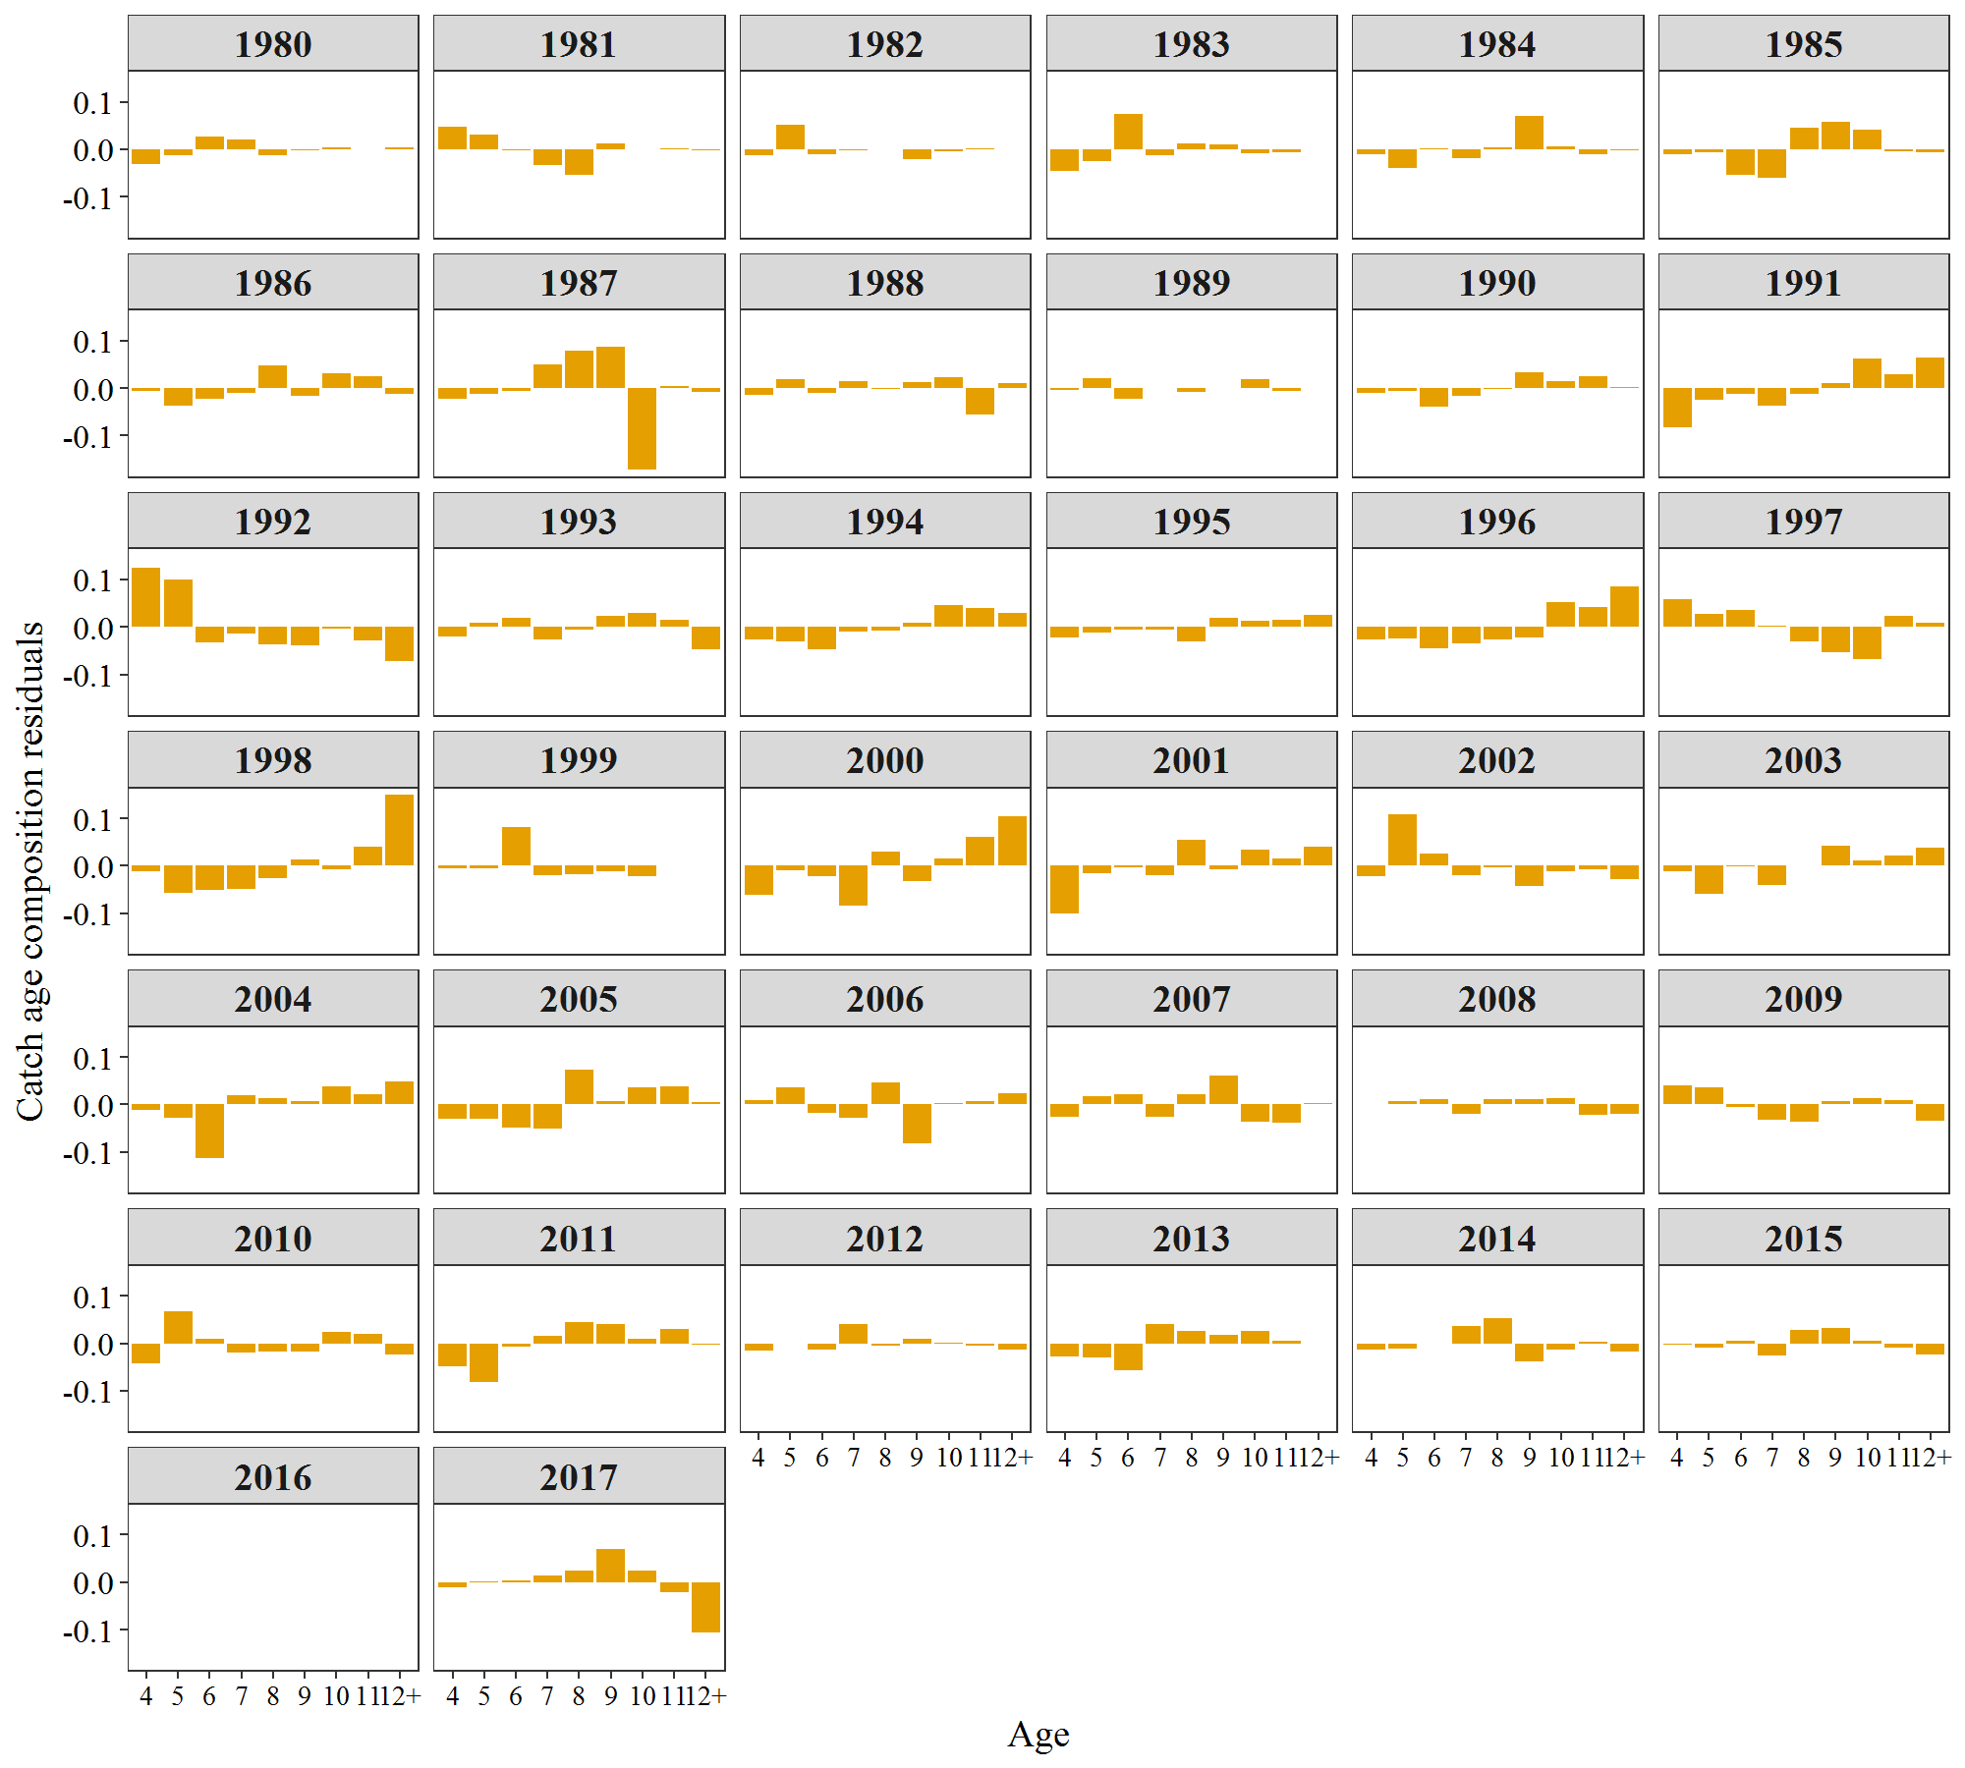
Year | Age | FREQ | Variable
1980 | 4 | -0.0304 | Estimated
1981 | 4 | 0.0468 | Estimated
1982 | 4 | -0.0128 | Estimated
1983 | 4 | -0.0448 | Estimated
1984 | 4 | -0.0114 | Estimated
1985 | 4 | -0.01 | Estimated
1986 | 4 | -0.006 | Estimated
1987 | 4 | -0.022 | Estimated
1988 | 4 | -0.0134 | Estimated
1989 | 4 | -0.0032 | Estimated
1990 | 4 | -0.0111 | Estimated
1991 | 4 | -0.0822 | Estimated
1992 | 4 | 0.125 | Estimated
1993 | 4 | -0.0192 | Estimated
1994 | 4 | -0.0273 | Estimated
1995 | 4 | -0.0224 | Estimated
1996 | 4 | -0.0262 | Estimated
1997 | 4 | 0.0582 | Estimated
1998 | 4 | -0.0124 | Estimated
1999 | 4 | -0.0052 | Estimated
2000 | 4 | -0.061 | Estimated
2001 | 4 | -0.1006 | Estimated
2002 | 4 | -0.0213 | Estimated
2003 | 4 | -0.0115 | Estimated
2004 | 4 | -0.0116 | Estimated
2005 | 4 | -0.0305 | Estimated
2006 | 4 | 0.0102 | Estimated
2007 | 4 | -0.0256 | Estimated
2008 | 4 | 0.0015 | Estimated
2009 | 4 | 0.0394 | Estimated
2010 | 4 | -0.0415 | Estimated
2011 | 4 | -0.0477 | Estimated
2012 | 4 | -0.0161 | Estimated
2013 | 4 | -0.0281 | Estimated
2014 | 4 | -0.0126 | Estimated
2015 | 4 | -0.0036 | Estimated
2016 | 4 | 0 | Estimated
2017 | 4 | -0.0102 | Estimated
1980 | 5 | -0.0116 | Estimated
1981 | 5 | 0.0305 | Estimated
1982 | 5 | 0.0508 | Estimated
1983 | 5 | -0.0244 | Estimated
1984 | 5 | -0.0393 | Estimated
1985 | 5 | -0.0072 | Estimated
1986 | 5 | -0.0363 | Estimated
1987 | 5 | -0.0124 | Estimated
1988 | 5 | 0.0188 | Estimated
1989 | 5 | 0.0209 | Estimated
1990 | 5 | -0.0059 | Estimated
1991 | 5 | -0.0246 | Estimated
1992 | 5 | 0.0998 | Estimated
1993 | 5 | 0.0084 | Estimated
1994 | 5 | -0.0299 | Estimated
1995 | 5 | -0.0113 | Estimated
1996 | 5 | -0.0248 | Estimated
1997 | 5 | 0.0275 | Estimated
1998 | 5 | -0.0573 | Estimated
1999 | 5 | -0.0051 | Estimated
2000 | 5 | -0.0099 | Estimated
2001 | 5 | -0.0148 | Estimated
2002 | 5 | 0.1083 | Estimated
2003 | 5 | -0.0588 | Estimated
2004 | 5 | -0.027 | Estimated
2005 | 5 | -0.0293 | Estimated
2006 | 5 | 0.0356 | Estimated
2007 | 5 | 0.0176 | Estimated
2008 | 5 | 0.0071 | Estimated
2009 | 5 | 0.0361 | Estimated
2010 | 5 | 0.068 | Estimated
2011 | 5 | -0.0815 | Estimated
2012 | 5 | -0.0018 | Estimated
2013 | 5 | -0.0307 | Estimated
2014 | 5 | -0.0107 | Estimated
2015 | 5 | -0.0092 | Estimated
2016 | 5 | 0 | Estimated
2017 | 5 | 0.0007 | Estimated
1980 | 6 | 0.0268 | Estimated
1981 | 6 | -0.0014 | Estimated
1982 | 6 | -0.0102 | Estimated
1983 | 6 | 0.0752 | Estimated
1984 | 6 | 0.0025 | Estimated
1985 | 6 | -0.0543 | Estimated
1986 | 6 | -0.022 | Estimated
1987 | 6 | -0.0062 | Estimated
1988 | 6 | -0.0097 | Estimated
1989 | 6 | -0.0221 | Estimated
1990 | 6 | -0.0388 | Estimated
1991 | 6 | -0.0118 | Estimated
1992 | 6 | -0.032 | Estimated
1993 | 6 | 0.0194 | Estimated
1994 | 6 | -0.0481 | Estimated
1995 | 6 | -0.0053 | Estimated
1996 | 6 | -0.0457 | Estimated
1997 | 6 | 0.0363 | Estimated
1998 | 6 | -0.0511 | Estimated
1999 | 6 | 0.081 | Estimated
2000 | 6 | -0.0222 | Estimated
2001 | 6 | -0.0024 | Estimated
2002 | 6 | 0.0249 | Estimated
2003 | 6 | -0.0013 | Estimated
2004 | 6 | -0.1137 | Estimated
2005 | 6 | -0.0488 | Estimated
2006 | 6 | -0.0169 | Estimated
2007 | 6 | 0.0225 | Estimated
2008 | 6 | 0.0123 | Estimated
2009 | 6 | -0.0049 | Estimated
2010 | 6 | 0.0097 | Estimated
2011 | 6 | -0.008 | Estimated
2012 | 6 | -0.0125 | Estimated
2013 | 6 | -0.0574 | Estimated
2014 | 6 | -0.0016 | Estimated
2015 | 6 | 0.0062 | Estimated
2016 | 6 | 0 | Estimated
2017 | 6 | 0.0041 | Estimated
1980 | 7 | 0.0212 | Estimated
1981 | 7 | -0.0323 | Estimated
1982 | 7 | -0.0024 | Estimated
1983 | 7 | -0.0132 | Estimated
1984 | 7 | -0.0189 | Estimated
1985 | 7 | -0.061 | Estimated
1986 | 7 | -0.0103 | Estimated
1987 | 7 | 0.0502 | Estimated
1988 | 7 | 0.0156 | Estimated
1989 | 7 | -0.0001 | Estimated
1990 | 7 | -0.0163 | Estimated
1991 | 7 | -0.0368 | Estimated
1992 | 7 | -0.0143 | Estimated
1993 | 7 | -0.0266 | Estimated
1994 | 7 | -0.01 | Estimated
1995 | 7 | -0.0067 | Estimated
1996 | 7 | -0.0349 | Estimated
1997 | 7 | 0.0015 | Estimated
1998 | 7 | -0.048 | Estimated
1999 | 7 | -0.0192 | Estimated
2000 | 7 | -0.0833 | Estimated
2001 | 7 | -0.0197 | Estimated
2002 | 7 | -0.0193 | Estimated
2003 | 7 | -0.0415 | Estimated
2004 | 7 | 0.019 | Estimated
2005 | 7 | -0.0505 | Estimated
2006 | 7 | -0.028 | Estimated
2007 | 7 | -0.0253 | Estimated
2008 | 7 | -0.0193 | Estimated
2009 | 7 | -0.0323 | Estimated
2010 | 7 | -0.0201 | Estimated
2011 | 7 | 0.0161 | Estimated
2012 | 7 | 0.0409 | Estimated
2013 | 7 | 0.0402 | Estimated
2014 | 7 | 0.037 | Estimated
2015 | 7 | -0.0263 | Estimated
2016 | 7 | 0 | Estimated
2017 | 7 | 0.0134 | Estimated
1980 | 8 | -0.0125 | Estimated
1981 | 8 | -0.0544 | Estimated
1982 | 8 | -0.0008 | Estimated
1983 | 8 | 0.0123 | Estimated
1984 | 8 | 0.0045 | Estimated
1985 | 8 | 0.0446 | Estimated
1986 | 8 | 0.0482 | Estimated
1987 | 8 | 0.0797 | Estimated
1988 | 8 | -0.0022 | Estimated
1989 | 8 | -0.0085 | Estimated
1990 | 8 | -0.0013 | Estimated
1991 | 8 | -0.0114 | Estimated
1992 | 8 | -0.0372 | Estimated
1993 | 8 | -0.0055 | Estimated
1994 | 8 | -0.0086 | Estimated
1995 | 8 | -0.0312 | Estimated
1996 | 8 | -0.026 | Estimated
1997 | 8 | -0.031 | Estimated
1998 | 8 | -0.0264 | Estimated
1999 | 8 | -0.0179 | Estimated
2000 | 8 | 0.0301 | Estimated
2001 | 8 | 0.0538 | Estimated
2002 | 8 | -0.0039 | Estimated
2003 | 8 | 0.0017 | Estimated
2004 | 8 | 0.0138 | Estimated
2005 | 8 | 0.0735 | Estimated
2006 | 8 | 0.0463 | Estimated
2007 | 8 | 0.0213 | Estimated
2008 | 8 | 0.0113 | Estimated
2009 | 8 | -0.036 | Estimated
2010 | 8 | -0.0182 | Estimated
2011 | 8 | 0.0454 | Estimated
2012 | 8 | -0.0048 | Estimated
2013 | 8 | 0.0262 | Estimated
2014 | 8 | 0.053 | Estimated
2015 | 8 | 0.0279 | Estimated
2016 | 8 | 0 | Estimated
2017 | 8 | 0.0239 | Estimated
1980 | 9 | -0.0019 | Estimated
1981 | 9 | 0.012 | Estimated
1982 | 9 | -0.0212 | Estimated
1983 | 9 | 0.0099 | Estimated
1984 | 9 | 0.0708 | Estimated
1985 | 9 | 0.0577 | Estimated
1986 | 9 | -0.017 | Estimated
1987 | 9 | 0.087 | Estimated
1988 | 9 | 0.0132 | Estimated
1989 | 9 | 0.0003 | Estimated
1990 | 9 | 0.0329 | Estimated
1991 | 9 | 0.0099 | Estimated
1992 | 9 | -0.0382 | Estimated
1993 | 9 | 0.0239 | Estimated
1994 | 9 | 0.0083 | Estimated
1995 | 9 | 0.0193 | Estimated
1996 | 9 | -0.0231 | Estimated
1997 | 9 | -0.0531 | Estimated
1998 | 9 | 0.013 | Estimated
1999 | 9 | -0.0124 | Estimated
2000 | 9 | -0.0315 | Estimated
2001 | 9 | -0.0068 | Estimated
2002 | 9 | -0.043 | Estimated
2003 | 9 | 0.042 | Estimated
2004 | 9 | 0.007 | Estimated
2005 | 9 | 0.008 | Estimated
2006 | 9 | -0.0809 | Estimated
2007 | 9 | 0.0607 | Estimated
2008 | 9 | 0.0116 | Estimated
2009 | 9 | 0.0066 | Estimated
2010 | 9 | -0.017 | Estimated
2011 | 9 | 0.0396 | Estimated
2012 | 9 | 0.0098 | Estimated
2013 | 9 | 0.0172 | Estimated
2014 | 9 | -0.0385 | Estimated
2015 | 9 | 0.0331 | Estimated
2016 | 9 | 0 | Estimated
2017 | 9 | 0.0698 | Estimated
1980 | 10 | 0.0036 | Estimated
1981 | 10 | 0.0001 | Estimated
1982 | 10 | -0.0043 | Estimated
1983 | 10 | -0.0088 | Estimated
1984 | 10 | 0.0058 | Estimated
1985 | 10 | 0.0404 | Estimated
1986 | 10 | 0.0309 | Estimated
1987 | 10 | -0.1715 | Estimated
1988 | 10 | 0.0221 | Estimated
1989 | 10 | 0.0188 | Estimated
1990 | 10 | 0.0141 | Estimated
1991 | 10 | 0.0633 | Estimated
1992 | 10 | -0.0033 | Estimated
1993 | 10 | 0.0301 | Estimated
1994 | 10 | 0.047 | Estimated
1995 | 10 | 0.0127 | Estimated
1996 | 10 | 0.0524 | Estimated
1997 | 10 | -0.0675 | Estimated
1998 | 10 | -0.0067 | Estimated
1999 | 10 | -0.023 | Estimated
2000 | 10 | 0.016 | Estimated
2001 | 10 | 0.0348 | Estimated
2002 | 10 | -0.0107 | Estimated
2003 | 10 | 0.0113 | Estimated
2004 | 10 | 0.0378 | Estimated
2005 | 10 | 0.0357 | Estimated
2006 | 10 | 0.0032 | Estimated
2007 | 10 | -0.0357 | Estimated
2008 | 10 | 0.0143 | Estimated
2009 | 10 | 0.0128 | Estimated
2010 | 10 | 0.023 | Estimated
2011 | 10 | 0.01 | Estimated
2012 | 10 | 0.001 | Estimated
2013 | 10 | 0.027 | Estimated
2014 | 10 | -0.0138 | Estimated
2015 | 10 | 0.0049 | Estimated
2016 | 10 | 0 | Estimated
2017 | 10 | 0.0251 | Estimated
1980 | 11 | -0.0003 | Estimated
1981 | 11 | 0.0017 | Estimated
1982 | 11 | 0.0014 | Estimated
1983 | 11 | -0.0053 | Estimated
1984 | 11 | -0.011 | Estimated
1985 | 11 | -0.0035 | Estimated
1986 | 11 | 0.0242 | Estimated
1987 | 11 | 0.0037 | Estimated
1988 | 11 | -0.0556 | Estimated
1989 | 11 | -0.0058 | Estimated
1990 | 11 | 0.0242 | Estimated
1991 | 11 | 0.0299 | Estimated
1992 | 11 | -0.0277 | Estimated
1993 | 11 | 0.0156 | Estimated
1994 | 11 | 0.0398 | Estimated
1995 | 11 | 0.0159 | Estimated
1996 | 11 | 0.0415 | Estimated
1997 | 11 | 0.0222 | Estimated
1998 | 11 | 0.0397 | Estimated
1999 | 11 | 0.0017 | Estimated
2000 | 11 | 0.0599 | Estimated
2001 | 11 | 0.0157 | Estimated
2002 | 11 | -0.007 | Estimated
2003 | 11 | 0.0207 | Estimated
2004 | 11 | 0.0209 | Estimated
2005 | 11 | 0.0372 | Estimated
2006 | 11 | 0.0068 | Estimated
2007 | 11 | -0.0384 | Estimated
2008 | 11 | -0.0211 | Estimated
2009 | 11 | 0.0094 | Estimated
2010 | 11 | 0.0202 | Estimated
2011 | 11 | 0.0296 | Estimated
2012 | 11 | -0.0041 | Estimated
2013 | 11 | 0.0056 | Estimated
2014 | 11 | 0.0043 | Estimated
2015 | 11 | -0.0101 | Estimated
2016 | 11 | 0 | Estimated
2017 | 11 | -0.0212 | Estimated
1980 | 12+ | 0.005 | Estimated
1981 | 12+ | -0.003 | Estimated
1982 | 12+ | -0.0004 | Estimated
1983 | 12+ | -0.0008 | Estimated
1984 | 12+ | -0.003 | Estimated
1985 | 12+ | -0.0065 | Estimated
1986 | 12+ | -0.0117 | Estimated
1987 | 12+ | -0.0086 | Estimated
1988 | 12+ | 0.0114 | Estimated
1989 | 12+ | -0.0003 | Estimated
1990 | 12+ | 0.0022 | Estimated
1991 | 12+ | 0.0637 | Estimated
1992 | 12+ | -0.0721 | Estimated
1993 | 12+ | -0.0461 | Estimated
1994 | 12+ | 0.0286 | Estimated
1995 | 12+ | 0.0261 | Estimated
1996 | 12+ | 0.0857 | Estimated
1997 | 12+ | 0.0081 | Estimated
1998 | 12+ | 0.1491 | Estimated
1999 | 12+ | 0.0011 | Estimated
2000 | 12+ | 0.1039 | Estimated
2001 | 12+ | 0.0409 | Estimated
2002 | 12+ | -0.0281 | Estimated
2003 | 12+ | 0.0374 | Estimated
2004 | 12+ | 0.0487 | Estimated
2005 | 12+ | 0.0048 | Estimated
2006 | 12+ | 0.0232 | Estimated
2007 | 12+ | 0.0029 | Estimated
2008 | 12+ | -0.0192 | Estimated
2009 | 12+ | -0.0347 | Estimated
2010 | 12+ | -0.0241 | Estimated
2011 | 12+ | -0.0036 | Estimated
2012 | 12+ | -0.013 | Estimated
2013 | 12+ | 0 | Estimated
2014 | 12+ | -0.0172 | Estimated
2015 | 12+ | -0.0229 | Estimated
2016 | 12+ | 0 | Estimated
2017 | 12+ | -0.1054 | Estimated

Figure 13
